Trad_Sig
 |  |  |  |  |  |  |  |  |  |  |  |  |  |  |  | Conflicting Traffic Complexity
 |  |  |  |  |  |  |  | Exposure |  |  | Severity |  |  |  |  | Traffic Control | Conflicting Lanes |  |  |  |  | Conflicting Speed |  | Total Complexity Multiplier | Exposure-Severity-Complexity Product | Included in Mvmt1 |  |  |  |  |  |  |  |  |  |  |  | Included in Mvmt2
# | Conflict Type | Mvmt1 | Mvmt1_gen | Mvmt1_SpeedCat | Mvmt2 | Mvmt2_gen | Mvmt2_SpeedCat | Q1 | Q2 | I | Speed_V1 | Speed_V2 | Angle | delta_V | P_FSI |  | MajC | MinC | MajM/P | MinM/P | Score | Speed | Factor |  |  | MajT1 | MajL1 | MajR1 | MajT2 | MajL2 | MajR2 | MinT1 | MinL1 | MinR1 | MinT2 | MinL2 | MinR2 | MajT1 | MajL1 | MajR1 | MajT2 | MajL2 | MajR2 | MinT1 | MinL1 | MinR1 | MinT2 | MinL2 | MinR2
1 | Crossing | NBT | MinT1 | Signal near | EBT | MajT1 | Major thru | 1557.1434358 | 5590.2071467 | 8704754.3634 | 15 | 70 | 90 | 35.79 | 0.1740 | 0.505 | 2 |  |  |  | 8 | 70 | 1.260 | 5.0909818597 | 7712883.4693 |  |  |  |  |  |  | 1 |  |  |  |  |  | 1
2 | Crossing - LT | NBT | MinT1 | Signal near | SBL | MinL2 | Signal far | 1557.1434358 | 2011.9542027 | 3132901.2799 | 15 | 25 | 230 | 18.25 | 0.0141 | 0.925 | 1 | 1 | 1 |  | 8.75 | 70 | 1.260 | 10.1992907 | 450511.82456 |  |  |  |  |  |  | 1 |  |  |  |  |  |  |  |  |  |  |  |  |  |  |  | 1
3 | Crossing - LT | NBT | MinT1 | Signal far | WBL | MajL2 | Major left | 1557.1434358 | 878.12843098 | 1367371.9221 | 25 | 20 | 230 | 20.42 | 0.0216 | 0.505 | 2 |  |  |  | 8 | 70 | 1.260 | 5.0909818597 | 150052.05907 |  |  |  |  |  |  | 1 |  |  |  |  |  |  |  |  |  | 1
4 | Crossing | NBT | MinT1 | Signal far | WBT | MajT2 | Major Thru | 1557.1434358 | 6143.214611 | 9565866.3063 | 25 | 70 | 90 | 37.17 | 0.1992 | 0.505 | 2 |  |  |  | 8 | 70 | 1.260 | 5.0909818597 | 9703243.7565 |  |  |  |  |  |  | 1 |  |  |  |  |  |  |  |  | 1
5 | Crossing - LT | WBT | MajT2 | Major thru | EBL | MajL1 | Major left | 6143.214611 | 934.15654933 | 5738724.1628 | 70 | 20 | 230 | 42.13 | 0.3098 | 0.925 | 1 | 1 |  | 1 | 7.75 | 70 | 1.260 | 9.033657477 | 16060866.035 |  |  |  | 1 |  |  |  |  |  |  |  |  |  | 1
6 | Crossing - LT | WBT | MajT2 | Major thru | SBL | MinL2 | Signal near | 6143.214611 | 2011.9542027 | 12359866.455 | 70 | 15 | 230 | 40.23 | 0.2640 | 0.505 | 1 | 1 | 1 |  | 8.75 | 70 | 1.260 | 5.5682614091 | 18167418.888 |  |  |  | 1 |  |  |  |  |  |  |  |  |  |  |  |  |  |  |  |  |  |  | 1
7 | Crossing | SBT | MinT2 | Signal near | WBT | MajT2 | Major thru | 2158.3361834 | 6143.214611 | 13259122.378 | 15 | 70 | 90 | 35.79 | 0.1740 | 0.505 | 2 |  |  |  | 8 | 70 | 1.260 | 5.0909818597 | 11748300.013 |  |  |  |  |  |  |  |  |  | 1 |  |  |  |  |  | 1
8 | Crossing - LT | SBT | MinT2 | Signal near | NBL | MinL1 | Signal far | 2158.3361834 | 2682.7945882 | 5790372.6326 | 15 | 25 | 230 | 18.25 | 0.0141 | 0.925 | 1 | 1 | 1 |  | 8.75 | 70 | 1.260 | 10.1992907 | 832656.73141 |  |  |  |  |  |  |  |  |  | 1 |  |  |  |  |  |  |  |  |  | 1
9 | Crossing - LT | SBT | MinT2 | Signal far | EBL | MajL1 | Major left | 2158.3361834 | 934.15654933 | 2016223.8814 | 25 | 20 | 230 | 20.42 | 0.0216 | 0.505 | 2 |  |  |  | 8 | 70 | 1.260 | 5.0909818597 | 221255.49024 |  |  |  |  |  |  |  |  |  | 1 |  |  |  | 1
10 | Crossing | SBT | MinT2 | Signal far | EBT | MajT1 | Major thru | 2158.3361834 | 5590.2071467 | 12065546.358 | 25 | 70 | 90 | 37.17 | 0.1992 | 0.505 | 2 |  |  |  | 8 | 70 | 1.260 | 5.0909818597 | 12238822.247 |  |  |  |  |  |  |  |  |  | 1 |  |  | 1
11 | Crossing - LT | EBT | MajT1 | Major thru | WBL | MajL2 | Major left | 5590.2071467 | 878.12843098 | 4908919.8306 | 70 | 20 | 230 | 42.13 | 0.3098 | 0.925 | 1 | 1 |  | 1 | 7.75 | 70 | 1.260 | 9.033657477 | 13738507.296 | 1 |  |  |  |  |  |  |  |  |  |  |  |  |  |  |  | 1
12 | Crossing - LT | EBT | MajT1 | Major thru | NBL | MinL1 | Signal near | 5590.2071467 | 2682.7945882 | 14997377.48 | 70 | 15 | 230 | 40.23 | 0.2640 | 0.505 | 1 | 1 | 1 |  | 8.75 | 70 | 1.260 | 5.5682614091 | 22044221.91 | 1 |  |  |  |  |  |  |  |  |  |  |  |  |  |  |  |  |  |  | 1
13 | Crossing - LT | NBL | MinL1 | Signal near | WBL | MajL2 | Major left | 2682.7945882 | 878.12843098 | 2355838.2024 | 15 | 20 | 230 | 15.90 | 0.0084 | 0.505 | 1 | 1 | 1 |  | 8.75 | 70 | 1.260 | 5.5682614091 | 109687.79014 |  |  |  |  |  |  |  | 1 |  |  |  |  |  |  |  |  | 1
14 | Crossing - LT | NBL | MinL1 | Signal far | EBL | MajL1 | Major left | 2682.7945882 | 934.15654933 | 2506150.1351 | 25 | 20 | 230 | 20.42 | 0.0216 | 0.505 | 1 | 1 | 1 |  | 8.75 | 70 | 1.260 | 5.5682614091 | 300801.81486 |  |  |  |  |  |  |  | 1 |  |  |  |  |  | 1
15 | Crossing - LT | SBL | MinL2 | Signal near | EBL | MajL1 | Major left | 2011.9542027 | 934.15654933 | 1879480.1954 | 15 | 20 | 230 | 15.90 | 0.0084 | 0.505 | 1 | 1 | 1 |  | 8.75 | 70 | 1.260 | 5.5682614091 | 87508.568725 |  |  |  |  |  |  |  |  |  |  | 1 |  |  | 1
16 | Crossing - LT | SBL | MinL2 | Signal far | WBL | MajL2 | Major left | 2011.9542027 | 878.12843098 | 1766754.1872 | 25 | 20 | 230 | 20.42 | 0.0216 | 0.505 | 1 | 1 | 1 |  | 8.75 | 70 | 1.260 | 5.5682614091 | 212055.47844 |  |  |  |  |  |  |  |  |  |  | 1 |  |  |  |  |  | 1
17 | Merging | EBT | MajT1 | Major thru | SBL | MinL2 | Signal far | 5590.2071467 | 2011.9542027 | 11247240.763 | 70 | 25 | 45 | 27.61 | 0.0670 | 0.505 |  |  | 1 |  | 2.75 | 70 | 1.260 | 1.7500250143 | 1318130.097 | 1 |  |  |  |  |  |  |  |  |  |  |  |  |  |  |  |  |  |  |  |  |  | 1
18 | Merging | EBT | MajT1 | Major thru | NBR | MinR1 | Signal near | 5590.2071467 | 2760.0619759 | 15429318.183 | 70 | 15 | 45 | 30.17 | 0.0930 | 0.505 |  |  | 1 |  | 2.75 | 70 | 1.260 | 1.7500250143 | 2511561.6336 | 1 |  |  |  |  |  |  |  |  |  |  |  |  |  |  |  |  |  |  |  | 1
19 | Merging | NBT | MinT1 | Signal far | EBL | MajL1 | Major left | 1557.1434358 | 934.15654933 | 1454615.7388 | 25 | 20 | 45 | 8.91 | 0.0009 | 0.505 |  |  |  | 1 | 1.75 | 70 | 1.260 | 1.1136522818 | 1512.0157844 |  |  |  |  |  |  | 1 |  |  |  |  |  |  | 1
20 | Merging | NBT | MinT1 | Signal far | WBR | MajR2 | Major right | 1557.1434358 | 478.65695803 | 745337.5402 | 25 | 15 | 45 | 8.94 | 0.0009 | 0.505 |  |  |  | 1 | 1.75 | 70 | 1.260 | 1.1136522818 | 782.98286044 |  |  |  |  |  |  | 1 |  |  |  |  |  |  |  |  |  |  | 1
21 | Merging | WBT | MajT2 | Major thru | NBL | MinL1 | Signal far | 6143.214611 | 2682.7945882 | 16480982.913 | 70 | 25 | 45 | 27.61 | 0.0670 | 0.505 |  |  | 1 |  | 2.75 | 70 | 1.260 | 1.7500250143 | 1931503.0293 |  |  |  | 1 |  |  |  |  |  |  |  |  |  |  |  |  |  |  |  | 1
22 | Merging | WBT | MajT2 | Major thru | SBR | MinR2 | Signal near | 6143.214611 | 2829.7096138 | 17383513.445 | 70 | 15 | 45 | 30.17 | 0.0930 | 0.505 |  |  | 1 |  | 2.75 | 70 | 1.260 | 1.7500250143 | 2829662.653 |  |  |  | 1 |  |  |  |  |  |  |  |  |  |  |  |  |  |  |  |  |  |  |  | 1
23 | Merging | SBT | MinT2 | Signal far | WBL | MajL2 | Major left | 2158.3361834 | 878.12843098 | 1895296.3663 | 25 | 20 | 45 | 8.91 | 0.0009 | 0.505 |  |  |  | 1 | 1.75 | 70 | 1.260 | 1.1136522818 | 1970.0859447 |  |  |  |  |  |  |  |  |  | 1 |  |  |  |  |  |  | 1
24 | Merging | SBT | MinT2 | Signal far | EBR | MajR1 | Major right | 2158.3361834 | 975.63630394 | 2105751.1367 | 25 | 15 | 45 | 8.94 | 0.0009 | 0.505 |  |  |  | 1 | 1.75 | 70 | 1.260 | 1.1136522818 | 2212.1078833 |  |  |  |  |  |  |  |  |  | 1 |  |  |  |  | 1
25 | Diverging | NBT | MinT1 | Signal near | NBL | MinL1 | Signal near | 1557.1434358 | 2682.7945882 | 4177495.9827 | 15 | 15 | 10 | 1.31 | 0.0000 | 1 |  |  |  |  | 1 |  | 1.000 | 1 | 2.6761619133 |  |  |  |  |  |  | 1 |  |  |  |  |  |  |  |  |  |  |  |  | 1
26 | Diverging | NBT | MinT1 | Signal near | NBR | MinR1 | Signal near | 1557.1434358 | 2760.0619759 | 4297812.3883 | 15 | 15 | 10 | 1.31 | 0.0000 | 1 |  |  |  |  | 1 |  | 1.000 | 1 | 2.7532382728 |  |  |  |  |  |  | 1 |  |  |  |  |  |  |  |  |  |  |  |  |  | 1
27 | Diverging | WBT | MajT2 | Major thru | WBR | MajR2 | Signal near | 6143.214611 | 478.65695803 | 2940492.4182 | 70 | 15 | 10 | 27.64 | 0.0672 | 1 |  |  |  |  | 1 |  | 1.000 | 1 | 197735.74044 |  |  |  | 1 |  |  |  |  |  |  |  |  |  |  |  |  |  | 1
28 | Diverging | WBT | MajT2 | Major thru | WBL | MajL2 | Major Left | 6143.214611 | 878.12843098 | 5394531.4075 | 70 | 20 | 10 | 25.21 | 0.0477 | 1 |  |  |  |  | 1 |  | 1.000 | 1 | 257060.57535 |  |  |  | 1 |  |  |  |  |  |  |  |  |  |  |  |  | 1
29 | Diverging | SBT | MinT2 | Signal near | SBL | MinL2 | Signal near | 2158.3361834 | 2011.9542027 | 4342473.5551 | 15 | 15 | 10 | 1.31 | 0.0000 | 1 |  |  |  |  | 1 |  | 1.000 | 1 | 2.7818488362 |  |  |  |  |  |  |  |  |  | 1 |  |  |  |  |  |  |  |  |  |  |  |  | 1
30 | Diverging | SBT | MinT2 | Signal near | SBR | MinR2 | Signal near | 2158.3361834 | 2829.7096138 | 6107464.6482 | 15 | 15 | 10 | 1.31 | 0.0000 | 1 |  |  |  |  | 1 |  | 1.000 | 1 | 3.9125266299 |  |  |  |  |  |  |  |  |  | 1 |  |  |  |  |  |  |  |  |  |  |  |  |  | 1
31 | Diverging | EBT | MajT1 | Major thru | EBR | MajR1 | Signal near | 5590.2071467 | 975.63630394 | 5454009.0389 | 70 | 15 | 10 | 27.64 | 0.0672 | 1 |  |  |  |  | 1 |  | 1.000 | 1 | 366759.15537 | 1 |  |  |  |  |  |  |  |  |  |  |  |  |  | 1
32 | Diverging | EBT | MajT1 | Major thru | EBL | MajL1 | Signal near | 5590.2071467 | 934.15654933 | 5222128.6182 | 70 | 15 | 10 | 27.64 | 0.0672 | 1 |  |  |  |  | 1 |  | 1.000 | 1 | 351166.17292 | 1 |  |  |  |  |  |  |  |  |  |  |  |  | 1

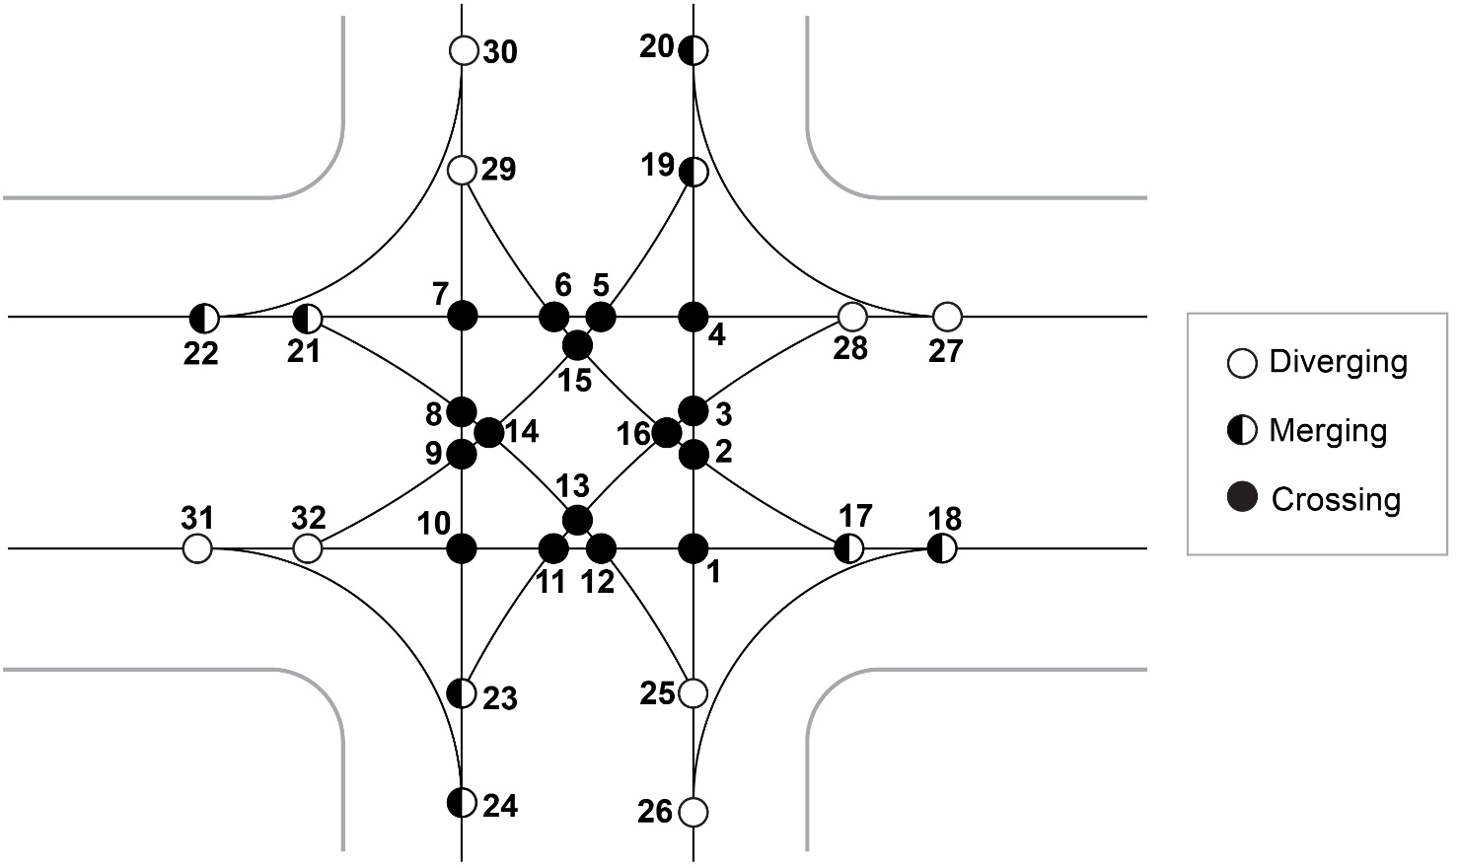

 |  |  |  |  |  |  |  |  |  |  |  |  |  |  |  |  |  |  |  |  |  |  |  |  |  | 5590.2071467 | 934.15654933 | 975.63630394 | 6143.214611 | 878.12843098 | 478.65695803 | 1557.1434358 | 2682.7945882 | 2760.0619759 | 2158.3361834 | 2011.9542027 | 2829.7096138 | 5590.2071467 | 934.15654933 | 975.63630394 | 6143.214611 | 878.12843098 | 478.65695803 | 1557.1434358 | 2682.7945882 | 2760.0619759 | 2158.3361834 | 2011.9542027 | 2829.7096138

RAB1x1
 |  |  |  |  |  |  |  |  |  |  |  | Conflicting Traffic Complexity
 |  |  |  |  |  |  |  | Exposure |  |  | Severity | Traffic Control | Conflicting Lanes | Conflicting Speed | Total Complexity Multiplier | Exposure-Severity-Complexity Product | Included in Mvmt1 | Included in Mvmt2
...
# | Conflict Type | Mvmt1 | Mvmt1_gen | Mvmt1_SpeedCat | Mvmt2 | Mvmt2_gen | Mvmt2_SpeedCat | Q1 | Q2 | I | Speed_V1
11 | Merging | NBT, EBL | MinT1, MajL2 | RAB Exiting | WBR | MajR2 | RAB Entering | 2435.2718668 | 478.65695803 | 1165659.8237 | 30
12 | Merging | NBL | MinL1 | RAB Circulating | WBT, WBL | MajT2, MajL2 | RAB Entering | 2682.7945882 | 7021.343042 | 18836821.115 | 25
13 | Diverging | SBR | MinR2 | RAB Entering | SBT, SBL | MinT2, MinL2 | RAB Entering | 2829.7096138 | 4170.2903862 | 11800710.798 | 20
14 | Diverging | WBL | MajL2 | RAB Circulating | WBT, NBL | MajT2, MinL1 | RAB Exiting | 878.12843098 | 8826.0091992 | 7750369.6099 | 25
15 | Diverging | EBR | MajR1 | RAB Entering | EBT, EBL | MajT1, MajL1 | RAB Entering | 975.63630394 | 6524.3636961 | 6365406.082 | 20
16 | Diverging | SBL | MinL2 | RAB Circulating | SBT, WBL | MinT2, MajL1 | RAB Exiting | 2011.9542027 | 3092.4927328 | 6221953.7505 | 25
17 | Diverging | NBR | MinR1 | RAB Entering | NBT, NBL | MinT1, MinL1 | RAB Entering | 2760.0619759 | 4239.9380241 | 11702491.721 | 20
18 | Diverging | EBL | MajL1 | RAB Circulating | EBT, SBL | MajT1, MinL2 | RAB Exiting | 934.15654933 | 7602.1613494 | 7101608.8136 | 25
19 | Diverging | WBR | MajR2 | RAB Entering | WBT, WBL | MajT2, MajL2 | RAB Entering | 478.65695803 | 7021.343042 | 3360814.7018 | 20
20 | Diverging | NBL | MinL1 | RAB Circulating | NBT, EBL | MinT1, MajL1 | RAB Exiting | 2682.7945882 | 2491.2999851 | 6683646.1178 | 25
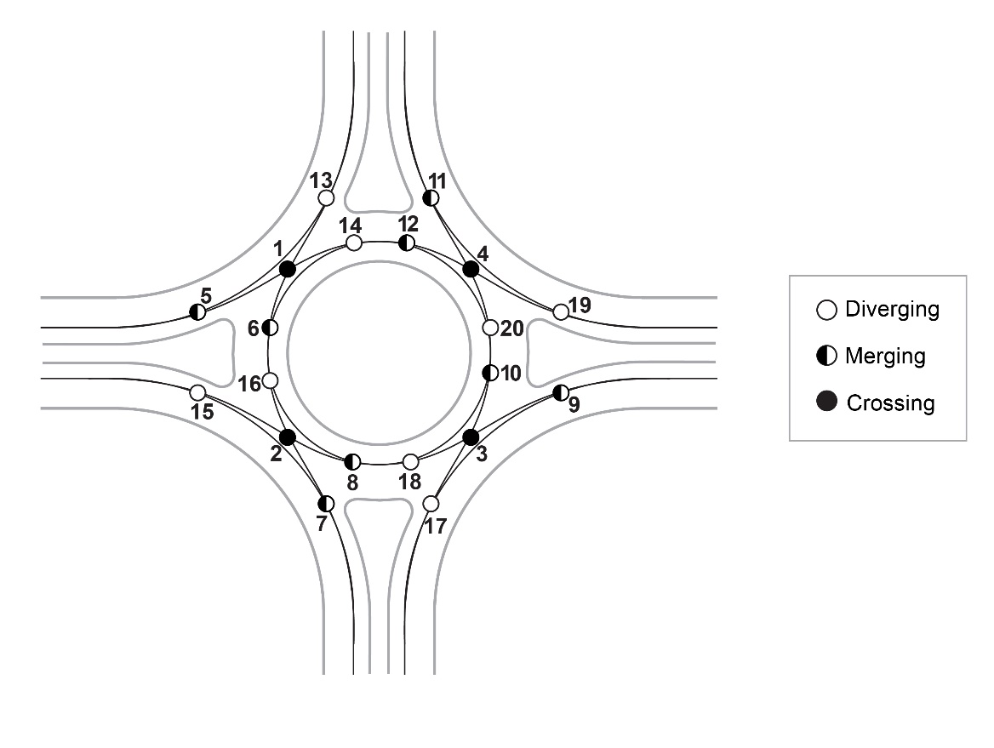
...

MUT
...
Exposure |  |  | Severity |  |  |  |  | Traffic Control | Conflicting Lanes |  |  |  |  | Conflicting Speed
Q1 | Q2 | I | Speed_V1 | Speed_V2 | Angle | delta_V | P_FSI |  | MajC | MinC | MajM/P | MinM/P | Score | Speed | Factor
8536.3178988 | 5442.8565642 | 46461953.909 | 70 | 15 | 45 | 30.17 | 0.0930 | 0.505 |  |  | 1 |  | 2.75 | 70 | 1.260
7500 | 3616.9511376 | 27127133.532 | 70 | 15 | 45 | 30.17 | 0.0930 | 0.505 |  |  | 1 |  | 2.75 | 70 | 1.260
1557.1434358 | 1412.8135074 | 2199953.279 | 25 | 15 | 45 | 8.94 | 0.0009 | 0.505 | 0 |  |  | 1 | 1.75 | 70 | 1.260
9704.1376302 | 4841.6638166 | 46984172.035 | 70 | 15 | 45 | 30.17 | 0.0930 | 0.505 |  |  | 1 |  | 2.75 | 70 | 1.260
8536.3178988 | 3133.9724874 | 26752585.438 | 70 | 15 | 10 | 27.64 | 0.0672 | 1 |  |  |  |  | 1 |  | 1.000
1557.1434358 | 5442.8565642 | 8475308.371 | 15 | 15 | 10 | 1.31 | 0.0000 | 1 |  |  |  |  | 1 |  | 1.000
10362.223325 | 3616.9511376 | 37479655.444 | 70 | 20 | 10 | 25.21 | 0.0477 | 1 |  |  |  |  | 1 |  | 1.000
9704.1376302 | 2035.8003938 | 19755687.21 | 70 | 15 | 10 | 27.64 | 0.0672 | 1 |  |  |  |  | 1 |  | 1.000
2158.3361834 | 4841.6638166 | 10449938.203 | 15 | 15 | 10 | 1.31 | 0.0000 | 1 |  |  |  |  | 1 |  | 1.000
11655.718813 | 2890.0826337 | 33685990.525 | 70 | 20 | 10 | 25.21 | 0.0477 | 1 |  |  |  |  | 1 |  | 1.000
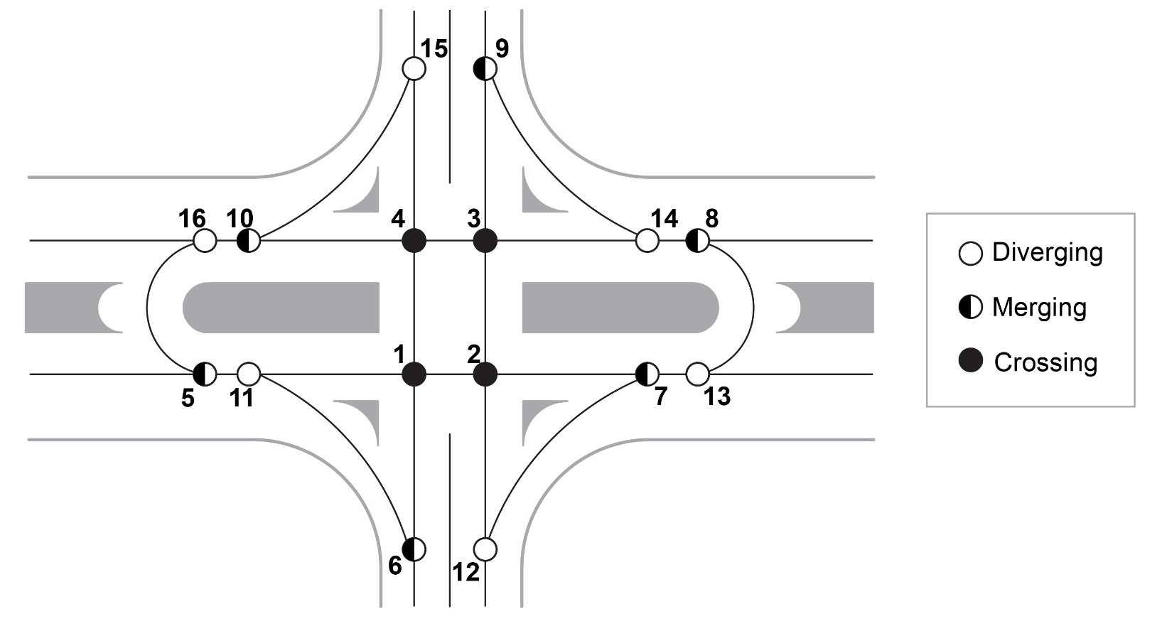
...

RCUT_Sig
...
 |  |  |  |  |  |  |  | Exposure |  |  | Severity
# | Conflict Type | Mvmt1 | Mvmt1_gen | Mvmt1_SpeedCat | Mvmt2 | Mvmt2_gen | Mvmt2_SpeedCat | Q1 | Q2 | I | Speed_V1
5 | Merging | WBT, NBL | MajT2, MinL1 | Major thru | SBT, SBL, SBR | MinT2, MinL2, MinR2 | Signal near | 8826.0091992 | 7000 | 61782064.395 | 70
6 | Merging | EBL | MajL1 | Major left | WBR, NBT | MajR2, MinT1 | Major right | 934.15654933 | 2035.8003938 | 1901756.271 | 20
7 | Merging | EBT, EBL, EBR | MajT1, MajL1, MajR1 | Major thru | SBT, SBL | MinT2, MinL2 | Signal near | 7500 | 4170.2903862 | 31277177.896 | 70
8 | Merging | WBT, WBL, WBR | MajT2, MajL2, MajR2 | Major thru | NBT, NBL | MinT1, MinL1 | Signal near | 7500 | 4239.9380241 | 31799535.18 | 70
9 | Diverging | EBT, EBR, SBL, SBT | MajT1, MajR1, MinL2, MinT2 | Major thru | EBL | MajL1 | Major left | 10736.133837 | 934.15654933 | 10029229.738 | 70
10 | Diverging | EBT, SBL | MajT1, MinL2 | Major thru | EBR, SBT | MajR1, MinT2 | Major right | 7602.1613494 | 3133.9724874 | 23824964.514 | 70
11 | Diverging | EBT, SBL, NBR | MajT1, MinL2, MinR1 | Major thru | NBL, NBT | MinL1, MinT1 | Major left | 10362.223325 | 4239.9380241 | 43935184.691 | 70
12 | Diverging | WBT, WBR, NBL, NBT | MajT2, MajR2, MinL1, MinT1 | Major thru | WBL | MajL2 | Major left | 10861.809593 | 878.12843098 | 9538063.8156 | 70
13 | Diverging | WBT, NBL | MajT2, MinL1 | Major thru | WBR, NBT | MajR2, MinT1 | Major right | 8826.0091992 | 2035.8003938 | 17967993.004 | 70
14 | Diverging | WBT, NBL, SBR | MajT2, MinL1, MinR2 | Major thru | SBL, SBT | MinL2, MinT2 | Major left | 11655.718813 | 4170.2903862 | 48607732.11 | 70
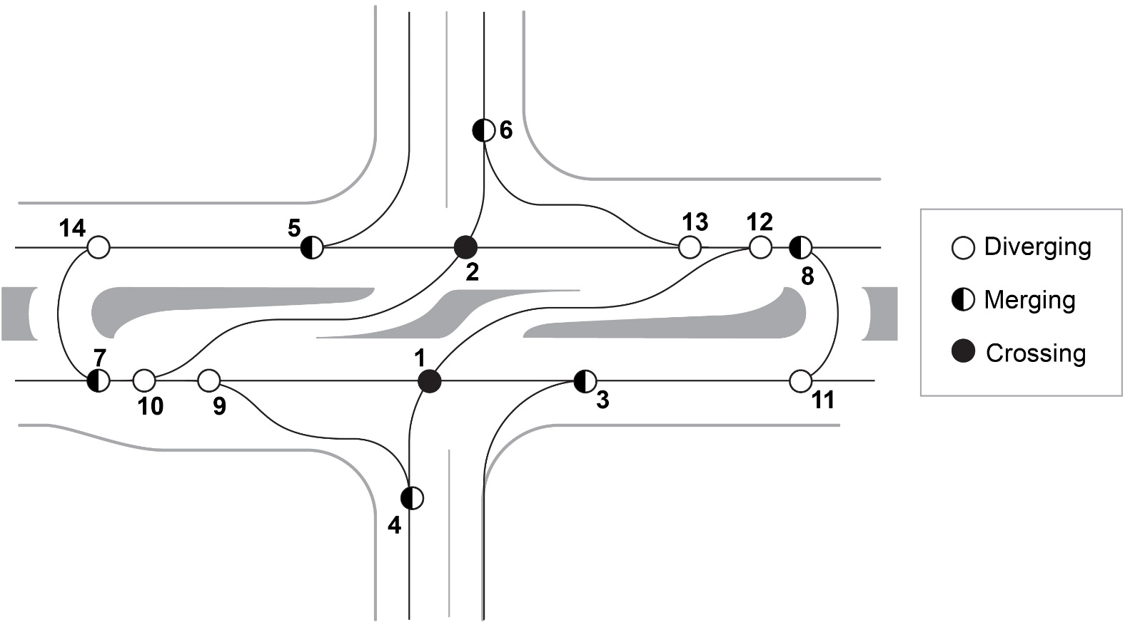
...

PDLT
...
 |  |  |  |  |  |  |  | Exposure |  |  | Severity
# | Conflict Type | Mvmt1 | Mvmt1_gen | Mvmt1_SpeedCat | Mvmt2 | Mvmt2_gen | Mvmt2_SpeedCat | Q1 | Q2 | I | Speed_V1 | Speed_V2 | Angle
21 | Merging | SBL | MinL2 | Signal far | EBT | MajT1 | Major thru | 2011.9542027 | 5590.2071467 | 11247240.763 | 25 | 70 | 45
22 | Merging | NBR | MinR1 | Minor right | EBT | MajT1 | Major thru | 2760.0619759 | 5590.2071467 | 15429318.183 | 15 | 70 | 45
23 | Diverging | SBT | MinT2 | Signal near | SBL | MinL2 | Signal near | 2158.3361834 | 2011.9542027 | 4342473.5551 | 15 | 15 | 10
24 | Diverging | SBT | MinT2 | Signal near | SBR | MinR2 | Signal near | 2158.3361834 | 2829.7096138 | 6107464.6482 | 15 | 15 | 10
25 | Diverging | EBT | MajT1 | Major Thru | EBR | MajR1 | Major right | 5590.2071467 | 975.63630394 | 5454009.0389 | 70 | 15 | 10
26 | Diverging | EBT | MajT1 | Major Thru | EBL | MajL1 | Signal near | 5590.2071467 | 934.15654933 | 5222128.6182 | 70 | 15 | 10
27 | Diverging | NBT | MinT1 | Signal near | NBL | MinL1 | Signal near | 1557.1434358 | 2682.7945882 | 4177495.9827 | 15 | 15 | 10
28 | Diverging | NBT | MinT1 | Signal near | NBR | MinR1 | Signal near | 1557.1434358 | 2760.0619759 | 4297812.3883 | 15 | 15 | 10
29 | Diverging | WBT | MajT2 | Major Thru | WBR | MajR2 | Major right | 6143.214611 | 478.65695803 | 2940492.4182 | 70 | 15 | 10
30 | Diverging | WBT | MajT2 | Major Thru | WBL | MajL2 | Signal near | 6143.214611 | 878.12843098 | 5394531.4075 | 70 | 15 | 10
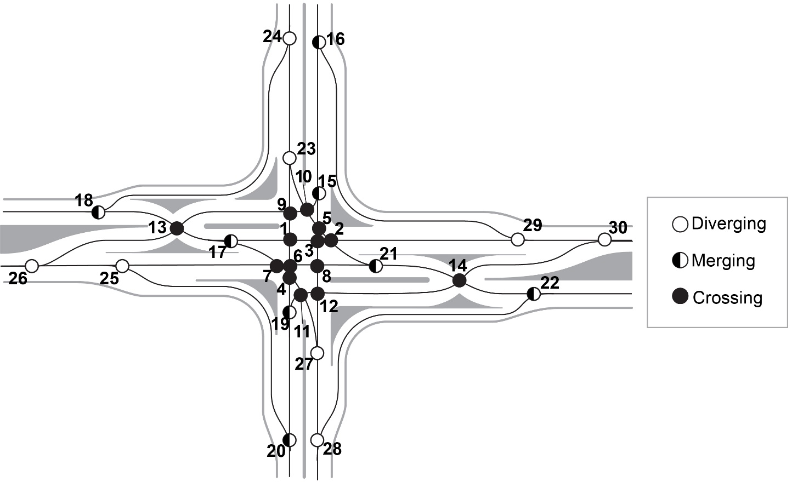
...

FDLT
...
 |  |  |  |  |  |  | Exposure |  |  | Severity |  |  |  |  | Traffic Control
Conflict Type | Mvmt1 | Mvmt1_gen | Mvmt1_SpeedCat | Mvmt2 | Mvmt2_gen | Mvmt2_SpeedCat | Q1 | Q2 | I | Speed_V1 | Speed_V2 | Angle | delta_V | P_FSI
Merging | SBL | MinL2 | Signal far | EBT | MajT1 | Major thru | 2011.9542027 | 5590.2071467 | 11247240.763 | 25 | 70 | 45 | 27.61 | 0.0670 | 0.505
Merging | NBR | MinR1 | Minor right | EBT | MajT1 | Major thru | 2760.0619759 | 5590.2071467 | 15429318.183 | 15 | 70 | 45 | 30.17 | 0.0930 | 1
Diverging | SBT | MinT2 | Signal near | SBR | MinR2 | Minor right | 2158.3361834 | 2829.7096138 | 6107464.6482 | 15 | 15 | 10 | 1.31 | 0.0000 | 1
Diverging | SBT | MinT2 | Signal near | SBL | MinL2 | Signal near | 2158.3361834 | 2011.9542027 | 4342473.5551 | 15 | 15 | 10 | 1.31 | 0.0000 | 1
Diverging | EBT | MajT1 | Major thru | EBR | MajR1 | Major right | 5590.2071467 | 975.63630394 | 5454009.0389 | 70 | 15 | 10 | 27.64 | 0.0672 | 1
Diverging | EBT | MajT1 | Major thru | EBL | MajL1 | Major left | 5590.2071467 | 934.15654933 | 5222128.6182 | 70 | 20 | 10 | 25.21 | 0.0477 | 1
Diverging | NBT | MinT1 | Signal near | NBL | MinL1 | Signal near | 1557.1434358 | 2682.7945882 | 4177495.9827 | 15 | 15 | 10 | 1.31 | 0.0000 | 1
Diverging | NBT | MinT1 | Signal near | NBR | MinR1 | Minor right | 1557.1434358 | 2760.0619759 | 4297812.3883 | 15 | 15 | 10 | 1.31 | 0.0000 | 1
Diverging | WBT | MajT2 | Major thru | WBR | MajR2 | Major right | 6143.214611 | 478.65695803 | 2940492.4182 | 70 | 15 | 10 | 27.64 | 0.0672 | 1
Diverging | WBT | MajT2 | Major thru | WBL | MajL2 | Major left | 6143.214611 | 878.12843098 | 5394531.4075 | 70 | 20 | 10 | 25.21 | 0.0477 | 1
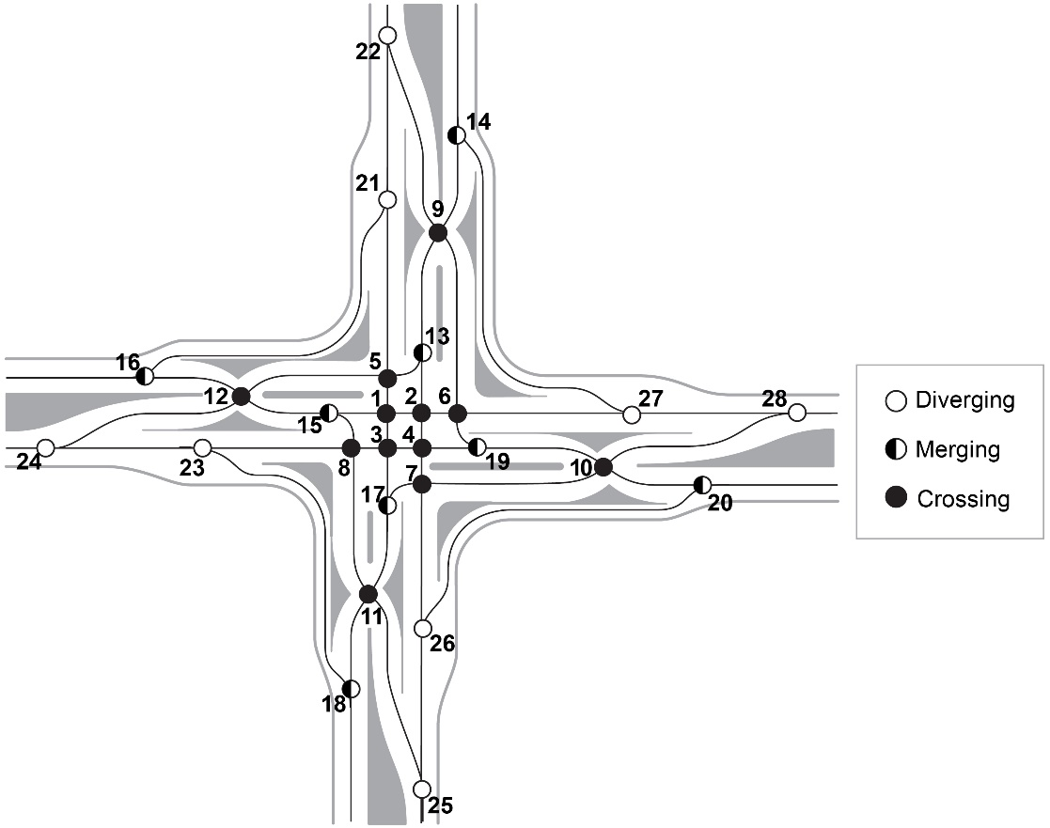
...

QR
...
 |  |  |  |  |  |  |  | Exposure |  |  | Severity
# | Conflict Type | Mvmt1 | Mvmt1_gen | Mvmt1_SpeedCat | Mvmt2 | Mvmt2_gen | Mvmt2_SpeedCat | Q1 | Q2 | I | Speed_V1 | Speed_V2 | Angle | delta_V | P_FSI
21 | Diverging | SBT, WBL | MinT2, MajL2 | Signal near | SBR | MinR1 | Signal near | 3036.4646144 | 2760.0619759 | 8380830.5236 | 15 | 15 | 10 | 1.31 | 0.0000
22 | Diverging | WBT, NBL | MajT2, MinL1 | Major thru | WBR | MajR2 | Major right | 8826.0091992 | 478.65695803 | 4224630.7148 | 70 | 15 | 10 | 27.64 | 0.0672
23 | Diverging | NBT, NBL | MinT1, MinL1 | Signal near | NBR | MinR1 | Signal near | 4239.9380241 | 2760.0619759 | 11702491.721 | 15 | 15 | 10 | 1.31 | 0.0000
24 | Diverging | EBT, EBL | MajT1, MajL1 | Major thru | EBR | MajR1 | Major right | 6524.3636961 | 975.63630394 | 6365406.082 | 70 | 15 | 10 | 27.64 | 0.0672
25 | Diverging | NBT, WBR | MinT1, MajR2 | Minor thru | NBL | MinL1 | Minor right | 2035.8003938 | 2682.7945882 | 5461634.2794 | 46.75 | 15 | 10 | 16.04 | 0.0087
26 | Diverging | SBT, SBR | MinT2, MinR2 | Minor thru | SBL | MinL2 | Minor left | 4988.0457973 | 2011.9542027 | 10035719.705 | 46.75 | 20 | 10 | 13.64 | 0.0047
27 | Diverging | WBR, EBL | MajR2, MajL1 | Signal near | WBL | MajL2 | Signal near | 1412.8135074 | 878.12843098 | 1240631.7085 | 15 | 15 | 10 | 1.31 | 0.0000
28 | Diverging | EBT, NBR | MajT1, MinR1 | Major thru | EBL | MajL1 | Major left | 8350.2691227 | 934.15654933 | 7800458.5896 | 70 | 20 | 10 | 25.21 | 0.0477
29 | Diverging | NBL | MinL1 | Signal near | SBL | MinL2 | Signal near | 2682.7945882 | 2011.9542027 | 5397659.8468 | 15 | 15 | 10 | 1.31 | 0.0000
30 | Diverging | WBT | MajT2 | Major thru | WBR, WBL | MajR2, MajL2 | Major right | 6143.214611 | 1356.785389 | 8335023.8257 | 70 | 15 | 10 | 27.64 | 0.0672
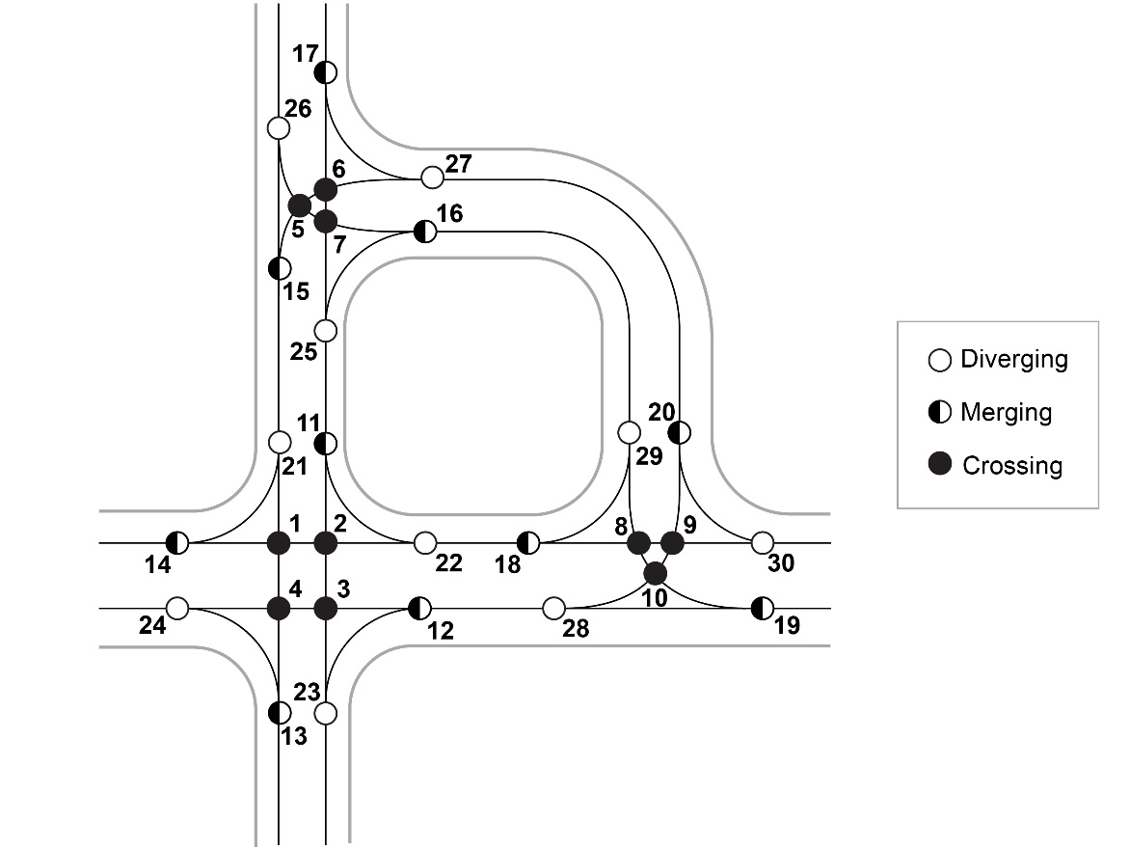
...

Jughandle
...
 |  |  |  |  |  |  |  | Exposure |  |  | Severity
# | Conflict Type | Mvmt1 | Mvmt1_gen | Mvmt1_SpeedCat | Mvmt2 | Mvmt2_gen | Mvmt2_SpeedCat | Q1 | Q2 | I | Speed_V1 | Speed_V2
20 | Merging | WBL | MajL2 | Signal far | SBT, SBR, SBL | MinT2, MinR2, MinL2 | Minor thru | 878.12843098 | 7000 | 6146899.0169 | 25 | 46.75
21 | Merging | WBR | MajR2 | Signal near | NBT, EBL | MinT1, MajL1 | Minor thru | 478.65695803 | 2491.2999851 | 1192478.0724 | 15 | 46.75
22 | Diverging | SBT, WBL | MinT2, MajL2 | Signal near | SBR | MinR2 | Signal near | 3036.4646144 | 2829.7096138 | 8592313.1116 | 15 | 15
23 | Diverging | SBT, WBL | MinT2, MajL2 | Signal near | SBL | MinL2 | Signal near | 3036.4646144 | 2011.9542027 | 6109227.7424 | 15 | 15
24 | Diverging | EBT | MajT1 | Major thru | EBL | MajL1 | Major left | 5590.2071467 | 934.15654933 | 5222128.6182 | 70 | 20
25 | Diverging | EBT | MajT1 | Major thru | EBR | MajR1 | Major right | 5590.2071467 | 975.63630394 | 5454009.0389 | 70 | 15
26 | Diverging | NBT | MinT1 | Signal near | NBL | MinL1 | Signal near | 1557.1434358 | 2682.7945882 | 4177495.9827 | 15 | 15
27 | Diverging | NBT | MinT1 | Signal near | NBR | MinR1 | Signal near | 1557.1434358 | 2760.0619759 | 4297812.3883 | 15 | 15
28 | Diverging | WBT | MajT2 | Major thru | WBL, WBR | MajL2, MajR2 | Major right | 6143.214611 | 1356.785389 | 8335023.8257 | 70 | 15
29 | Diverging | WBL | MajL2 | Signal near | WBR | MajR2 | Signal near | 878.12843098 | 478.65695803 | 420322.28353 | 15 | 15
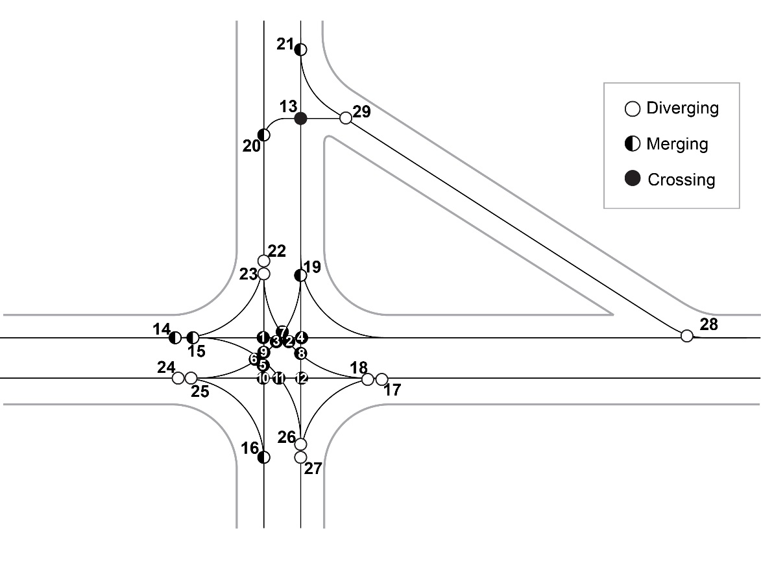
...

Bowtie
...
 |  |  |  |  |  |  |  | Exposure |  |  | Severity
# | Conflict Type | Mvmt1 | Mvmt1_gen | Mvmt1_SpeedCat | Mvmt2 | Mvmt2_gen | Mvmt2_SpeedCat | Q1 | Q2 | I | Speed_V1 | Speed_V2 | Angle | delta_V | P_FSI
7 | Merging | EBT | MajT1 | Major thru | NBR, SBL | MinR1, MinL2 | Signal near | 5590.2071467 | 4772.0161786 | 26676558.946 | 70 | 15 | 45 | 30.17 | 0.0930
8 | Merging | WBT | MajT2 | Major thru | SBR, NBL | MinR2, MinL1 | Signal near | 6143.214611 | 5512.5042021 | 33864496.357 | 70 | 15 | 45 | 30.17 | 0.0930
9 | Merging | WBL, NBL | MajL2, MinL1 | RAB Circulating | SBT, SBL, SBR | MinT2, MinL2, MinR2 | RAB Entering | 3560.9230192 | 7000 | 24926461.135 | 25 | 20 | 45 | 8.91 | 0.0009
10 | Merging | EBL, SBL | MajL1, MinL2 | RAB Circulating | NBT, NBL, NBR | MinT1, MinL1, MinR1 | RAB Entering | 2946.110752 | 7000 | 20622775.264 | 25 | 20 | 45 | 8.91 | 0.0009
11 | Diverging | WBT | MajT2 | Major thru | WBR, WBL | MajR2, MajL2 | Major right | 6143.214611 | 1356.785389 | 8335023.8257 | 70 | 15 | 10 | 27.64 | 0.0672
12 | Diverging | EBT | MajT1 | Major thru | EBR, EBL | MajR1, MajL1 | Major right | 5590.2071467 | 1909.7928533 | 10676137.657 | 70 | 15 | 10 | 27.64 | 0.0672
13 | Diverging | NBT, NBL, EBL | MinT1, MinL1, MajL1 | Signal near | NBR, SBL | MinR1, MinL2 | Signal near | 5174.0945734 | 4772.0161786 | 24690863.014 | 15 | 15 | 10 | 1.31 | 0.0000
14 | Diverging | SBT, SBL, WBL | MinT2, MinL2, MajL2 | Signal near | SBR, NBL | MinR2, MinL1 | Signal near | 5048.4188171 | 5512.5042021 | 27829429.943 | 15 | 15 | 10 | 1.31 | 0.0000
15 | Diverging | NBT, WBR, EBL | MinT1, MajR2, MajL1 | RAB Exiting | WBL, NBL | MajL2, MinL1 | RAB Circulating | 2969.9569432 | 3560.9230192 | 10575788.045 | 30 | 25 | 10 | 3.46 | 0.0000
16 | Diverging | SBT, EBR, WBL | MinT2, MajR1, MajL2 | RAB Exiting | EBL, SBL | MajL1, MinL2 | RAB Circulating | 4012.1009184 | 2946.110752 | 11820093.654 | 30 | 25 | 10 | 3.46 | 0.0000



