ORD General Data
Refer to Chapter 20D of the Design Manual for
information on standard naming conventions:
http://www.iowadot.gov/design/dmanual/manual.html
Iowa Department of Transportation
Design Bureau ORD
Project Data Summary

Revised Date: 06/11/2026
Project Information
County (CC):
Route (RRR):
PIN:
Project Number:
Project Location:
Project Description:
Concept:
Design Criteria:
Project Geographic Coordinate System (GGG):
Design Engineer (Team Lead):
Designer 1:
Designer 2:
CCRRRPPPGGG

Connect ORD Design File Information
Directory:
Proposed Overview File:
Proposed Linework File:
Proposed Shading File:
Proposed Guardrail File:

Geometry Files Folder:

Corridor Files Folder:

Cross Section Files Folder:

Proposed Surfaces Folder:

Sheet Files Folder:

Proposed Text Files Folder:

Survey ORD File Information
Directory:
Survey File:
Terrain Files:

Photogrammetry ORD File Information
Directory:
Photogrammetry File:
Terrain File:
Raster File:

County Legend
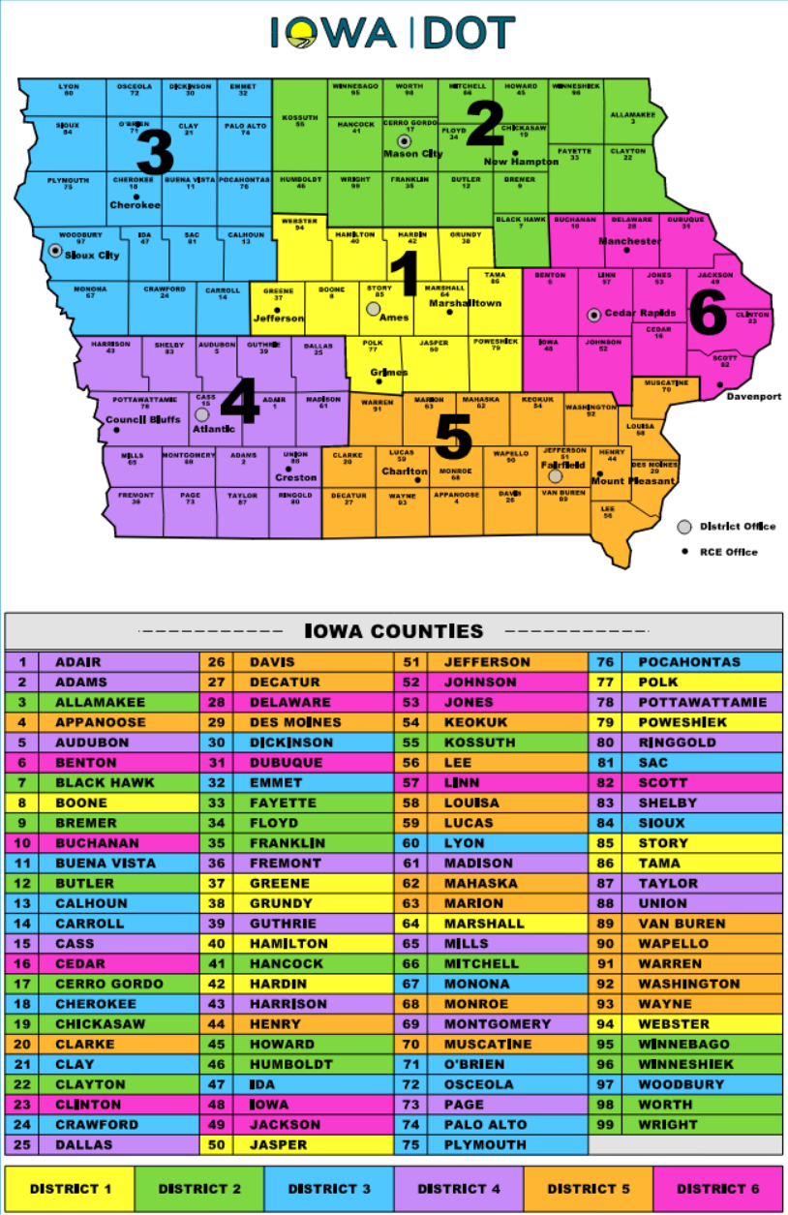
Iowa County Map

Geographic Coordinate System
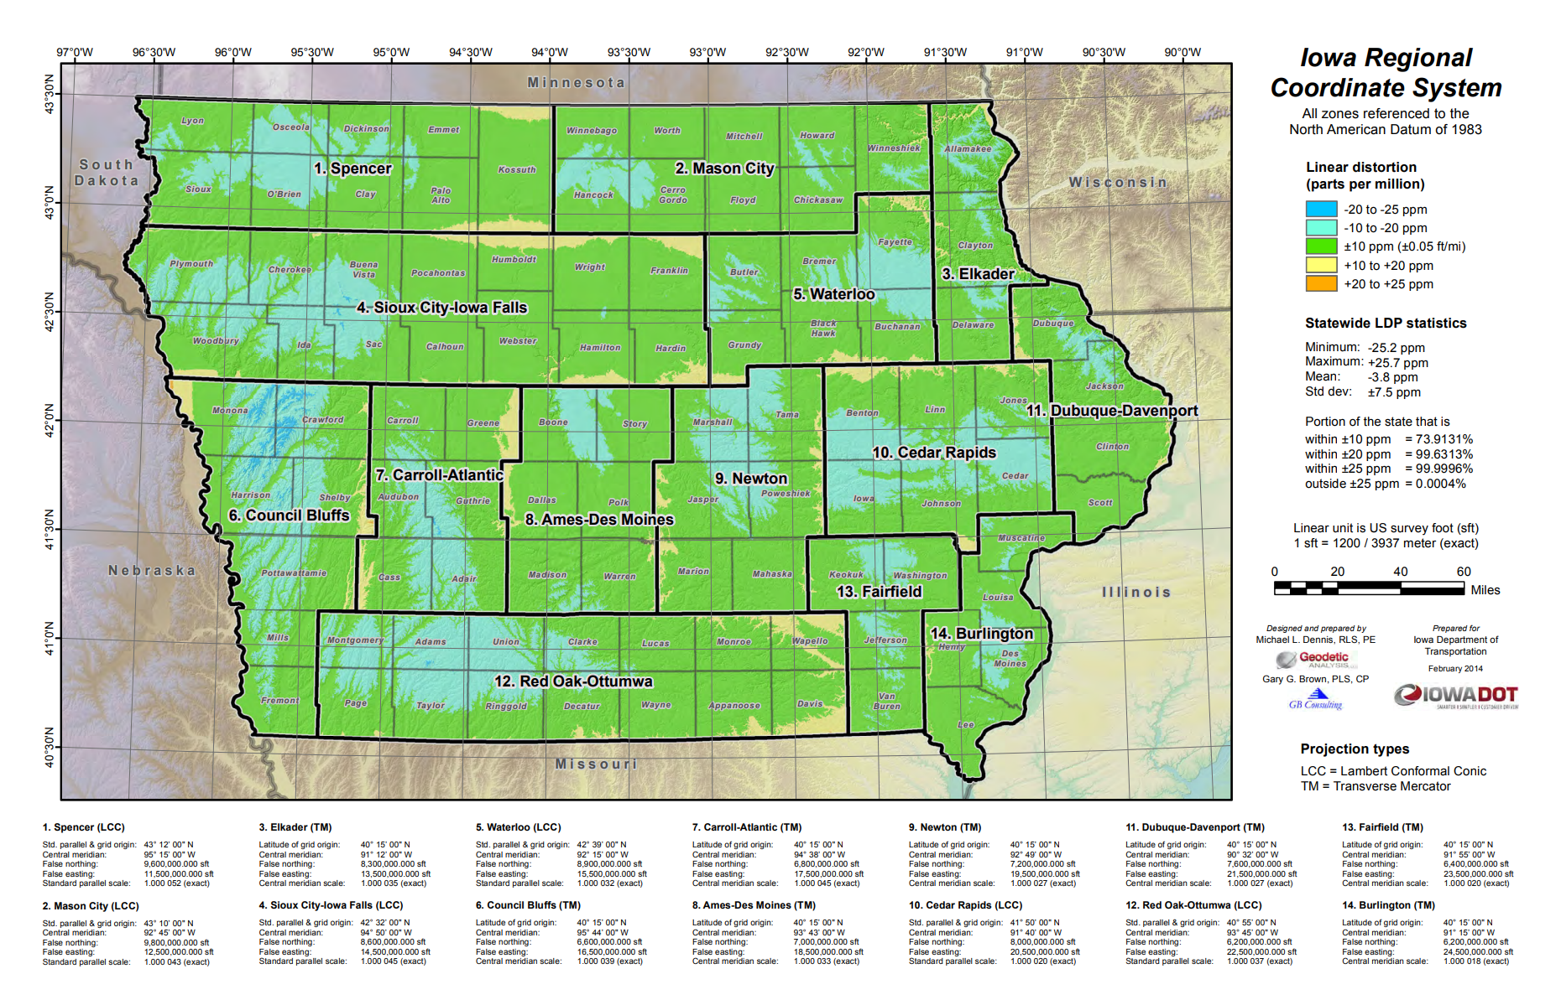
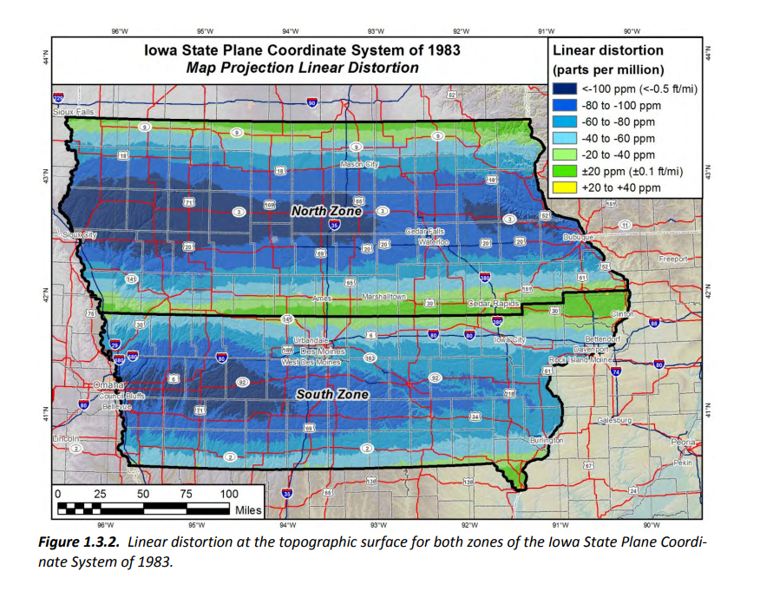
Geographic Coordinate System Legend
GGG Notation | Description
SPN | State Plane North
SPS | State Plane South
Z01 | Iowa RCS Zone 01: Spencer
Z02 | Iowa RCS Zone 02: Mason City
Z03 | Iowa RCS Zone 03: Elkander
Z04 | Iowa RCS Zone 04: Sioux City-Iowa Falls
Z05 | Iowa RCS Zone 05: Waterloo
Z06 | Iowa RCS Zone 06: Council Bluffs
Z07 | Iowa RCS Zone 07: Carroll-Atlantic
Z08 | Iowa RCS Zone 08: Ames-Des Moines
Z09 | Iowa RCS Zone 09: Newton
Z10 | Iowa RCS Zone 10: Cedar Rapids
Z11 | Iowa RCS Zone 11: Dubuque-Davenport
Z12 | Iowa RCS Zone 12: Red Oak-Ottumwa
Z13 | Iowa RCS Zone 13: Fairfield
Z14 | Iowa RCS Zone 14: Burlington
Link to Iowa Regional Coordinate System (IARCS) Website

Hor.-Vert. Align. Naming
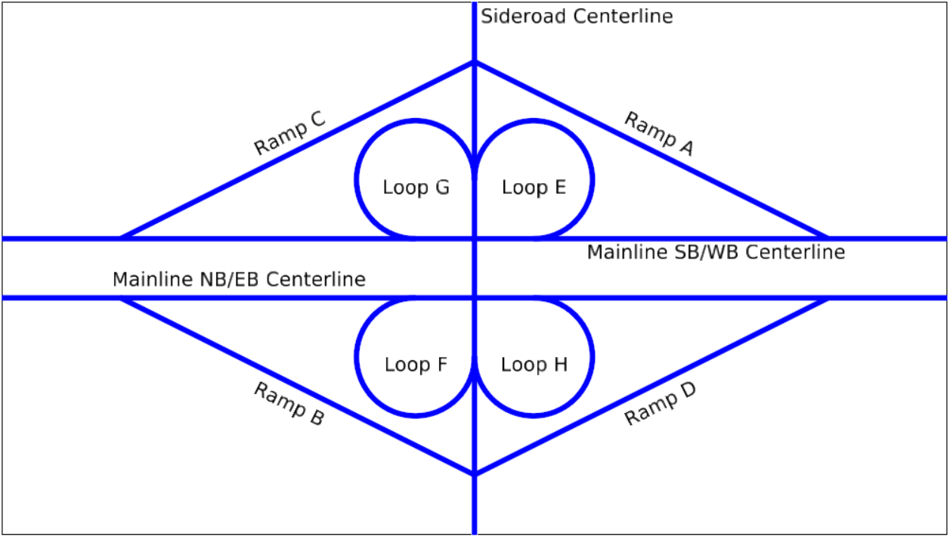
Alignment Naming
Horizontal
Mainline | MLRRR | ML035, ML218, ML002
Sideroad | SRRRR or SRSideroad Name | SR030 for US 30, SR290 for 290th, SRD35 for Co. Rd. D35, SRDayton for Dayton Ave
Ramps | RMPRampDesignationCrossingRouteName | RMPADayton for Ramp A of Sideroad Dayton Ave at US 30; RMPH for Ramp H of US 30 at I-35
Dike/Levy | DKSide/AdjacentStation | DKL2208 for dike left adjacent to roadway at station 2208+15;DKR2310 for dike right adjacent to roadway at station 2310+25; DKM1362 for median dike adjacent to roadway at station 1365+75
Channel | CHSide/AdjacentStation | CHL2206 for channel left adjacent to roadway station 2206+50; CHR2206 for channel right adjacent to roadway station 2206+50
Entrance | ENTSide/CrossingStation | ENTL268 for entrance left of roadway station 268+00; ENTR272 for entrance right of roadway station 272+50; ENTM1360 for median entrance crossing at roadway station 1360+75
Detour | DETDetourNumber or DETStartingStation | DET1, DET2; DET2151 for detour starting at adjacent roadway station 2151+00
Edge Returns | RETQuadrant/SideroadName | RETA059 , See Figure below for quadrant naming
Collector Distributor Road | CDSide/StartingStation | CDL1500 for collector distributor starting at station 1500+00 of the adjacent roadway
Walls | WALLDescription | WALLNoise1, WALLMSE1, WALLRetain1
Survey Chain | SURAlignmentName | SURML035, SURSR030
Vertical (Profile) (1)
Proposed Alignment | Alignment Name | ML035, ML218, ML002, SR030, RMPADayton
Ditch Grade | DGSide/EvenStartingStation | DGL2203, DGR1360, DGM662
Benching | BGSide/EvenStartingStation | BGL2191, BGR842
Notes:
(1) The vertical geometry for centerline profiles are the same as the chain with the exception of ditch and benching grades.

Return quadrant naming conventions for a two-lane alignment
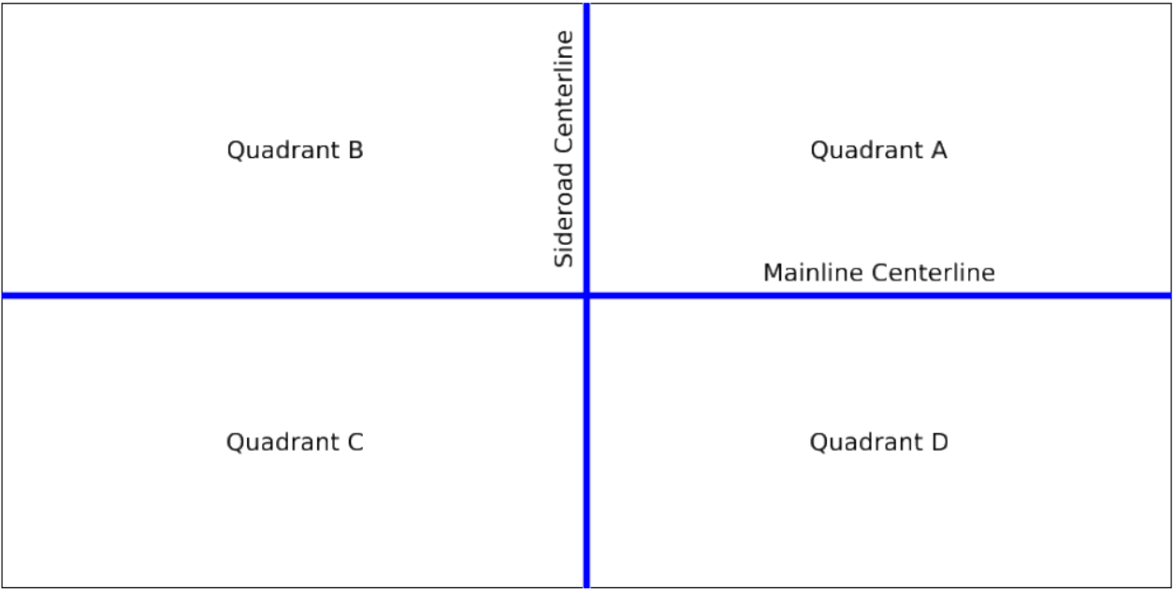

Return quadrant naming conventions for a four-lane alignment
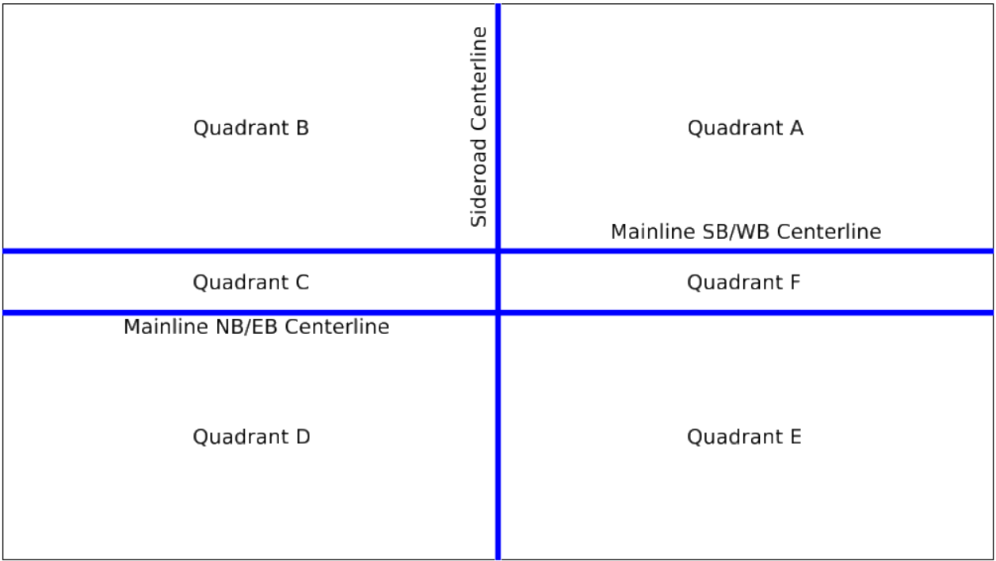

Interchange ramp naming conventions

