Misc
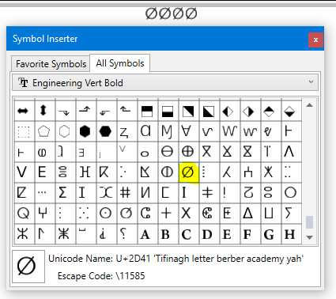
Miscellaneous Details
When reformatting Standard Worksheets\Signed Standards to current text\dimension styles. Notice, when retyping paragraphs this may cause type-o's, use of copy\paste is preferred.
Use Spell check. Also, when developing Standard Worksheets\Signed Standards, DO NOT have them added to a Sheet Index.
This will enable them to be added to a Project Specific Sheet Index when used in plan development.

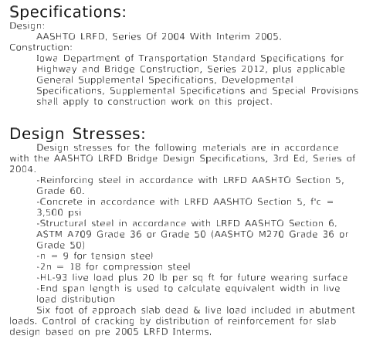
Place Note tool is set to have text Leader Side justified when using "IowaDOT_Leader_Note" Dimension Style. |  |  |  | Display Specifications and Design Stresses in the formats as shown below.
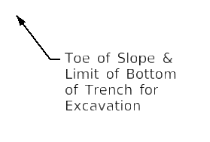
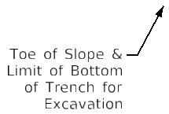
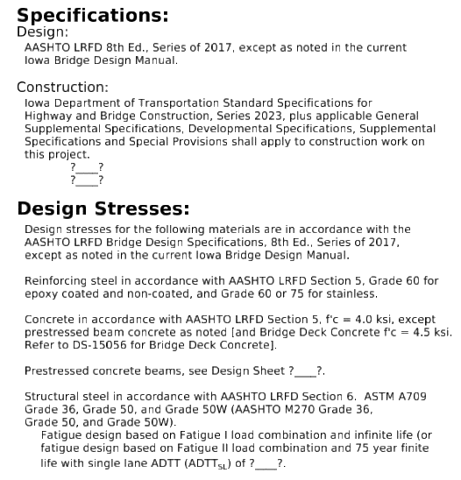

Place Section Callouts on "Dimensions" Level Settings

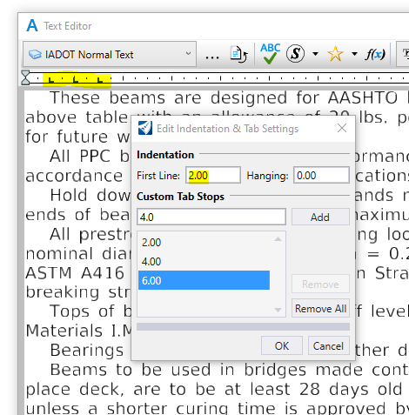
All paragraphs to be indented by default indentation, 2.00. No spaces between paragraphs.

If using notes that refer to details outside of the sheet border, create the note on the SheetText level and use SubHeader text style. Border should be on the SheetGridMajor level. Change the color to 5. | 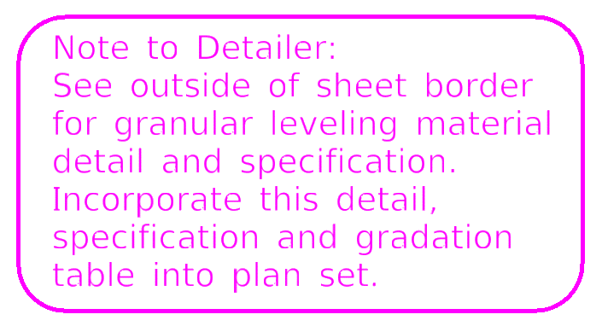
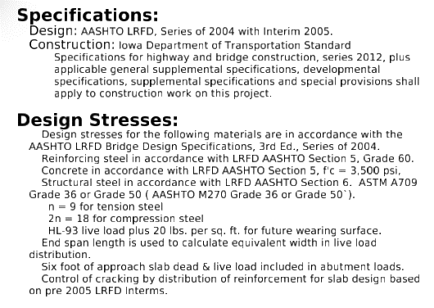
To create border, make rectangle, fillet corners to .025 radius, create complex shape and group text and border together. |  |  | Capitalization rules apply to both of these.

If using notes for a Contractor, create the note on the SheetText Level
and use SubHeader text style. Border should be on the SheetGridMajor level.

When using Named Boundary for working on Bridge Bureau Standards, create the named boundary in the Drawing Model to place detail to the Sheet Model.

Named Boundaries: placed on the "NamedBoundary" Level using the following attributes.
Color: ByLevel (0) (Optional preferred Level may also be 6 )
LineStyle: ByLevel (0) (Optional preferred LineStyle may also be 6 )
LineWeight: ByLevel (0)
Class: Construction

Print Shapes: When needing to create a print shape larger than the sheet border, use a closed shape and place on the "StdBorder" Level using the following attributes.
Color: ByLevel (0)
LineStyle: ByLevel (0)
LineWeight: ByLevel (0)
Class: Primary? (May need to be changed to Construction)

Rebar Bent Bar Pin shape (circle)
Level: Dimensions
Color: 0
Line Style: 1
Weight: 3

Recommend Level to use for Construction Lines and Shapes to develop Standard Worksheets\Signed Standards
Level: Draft_DNC
Color: ByLevel (13)
LineStyle: ByLevel (0)
LineWeight: ByLevel (0)

This character may be used for diameter symbol. |  | Use this character for asterisk symbol. |  |  | Use this character for triangle symbol.
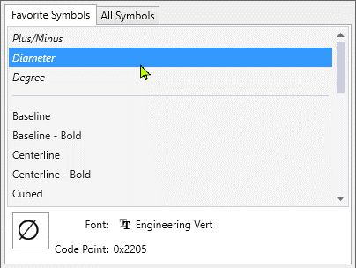
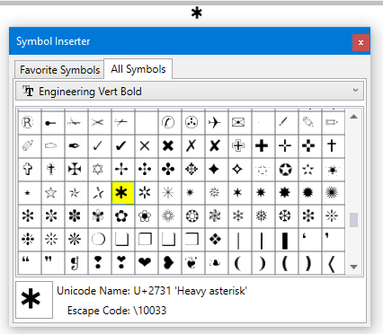
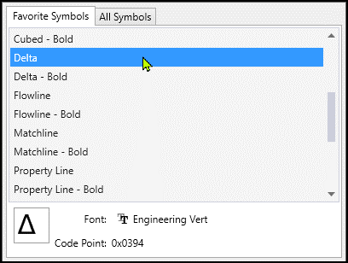

Or this character may be used for diameter symbol.

Annotation-Dimension & Text
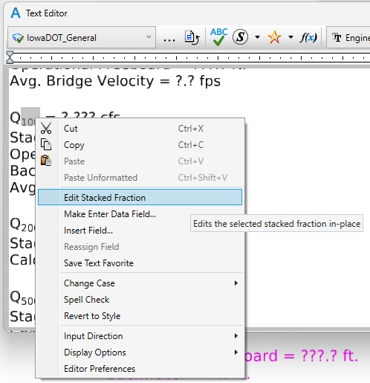
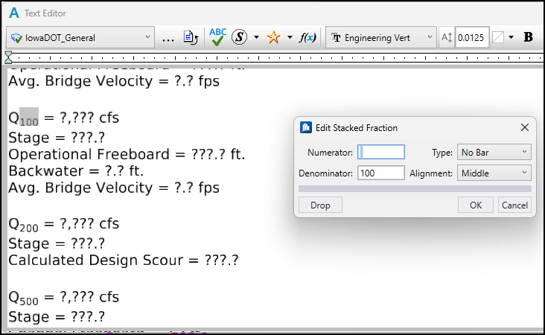
Dimension and Text Styles
Use the the Text and Dimension tools along with the appropriate Text and Dimension Styles.
IowaDOT_General Text: Use for any notes except dimension leader notes.
IowaDOT_Dimension Text: Use for all dimensions, leader notes, dimensional/numerical values and text used in tables or fields. For an example, see the tables used on the Iowa DOT Culvert Barrel Details standard sheets.
IowaDOT_Header Text: Use for all headers.
IowaDOT_SubHeader Text: Use when Header and General text do not seem appropriate, such as the word “Notes” used when labeling or title of a group of notes or instructions.
Notes: Use "SheetText" Level with ByLevel on for color, style and weight. Use the appropriate Text Styles.
Dimensions: Use "Dimensions" Level with ByLevel on for color, style and weight.
Use the appropriate Dimension Styles "IowaDOT_Angular_Decimal or _Fraction", "IowaDOT_Leader_Note", "IowaDOT_Linear" and "IowaDOT_Radial_Decimal or _Fraction".
 |  |  | Templates shown below under Annotation - Plan may be used for Bridge Bureau plan sheet general detailing.

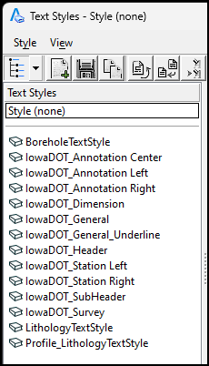 |  | 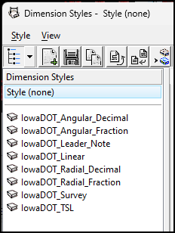 | 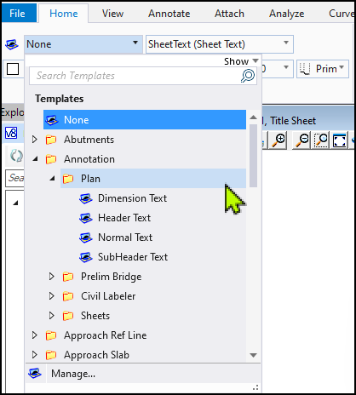

Regarding the different icons in the Text and Dimension Style list, those show the relationship between the local style and the dgn library. There are four possibilities: 1) Grey book: The style is in a library but not in the local file. 2) Blue book: The style is in the local file but not in a library. 3) Blue book with green check: The local style matches the library style. 4) Blue book with blue triangle: The local style is different from the library style.

The Styles Icons and definitions shown below, along with an example, apply to both Text and Dimension Styles.

Bridge Plan Production Sheet - Title Block, Header Text Font
 |  |  |  |  | 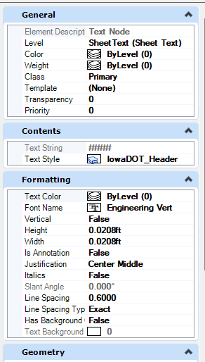
The text in the cells, "TitleBlock-Bridge" & "TitleBlock-Culvert" have the proper text settings applied.
When placing the Title Block Cell for plan sheets, ensure “Place as Shared Cell” is UNCHECKED.
This will allow editing of the individual title block text lines for each sheet.
If “Place as Shared Cell” is activated, then all instances of that cell will show the same changes.

Title Block cells for Bridge and Culvert sheets are in the BridgeGeneralUseCells.cel file on ProjectWise.
PWMain\Documents\Resources\ClientWorkspaces\IowaDOT\IowaDOTProduction\Organization-Civil\IowaDOT_Standards\Cell\BridgeGeneralUseCells.cel

Create Stacked Fraction
Use the Text Editor tools to place a stacked fraction. To create an adequate size subscript/superscript, the use of “Insert Stacked Fraction” in the Text Editor provides a good option.
It is strongly recommended to not use the fraction characters in the Symbols of the Text Editor. The reason is that if there is a character "remapping" requirement, the fraction Symbols
may not translate/convert properly. The use of the Stacked Fraction will create an increase in the vertical line space of the specific line of text that the note it is in, this is acceptable.

In the Text Editor, right click to get the menu to pop up and select "Insert Stacked Fraction… "

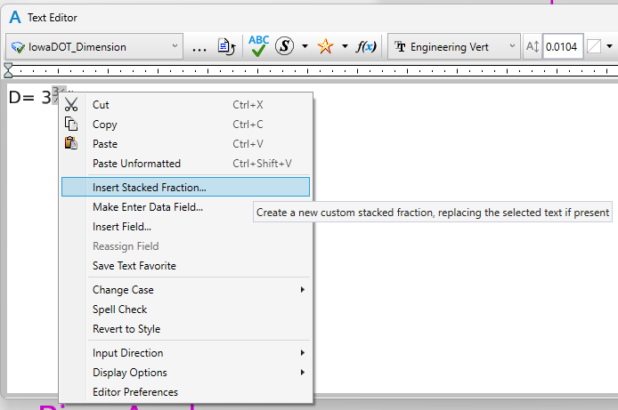 |  |  | 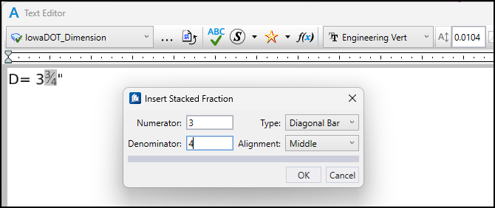
Is it strongly recommended to not use the fraction characters in the Symbols of the Text Editor. The reason is that if there is a character "remapping" requirement, the fraction Symbols may not translate/convert properly.

 | 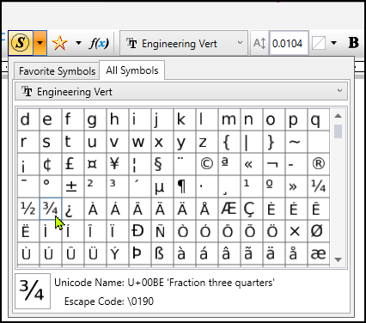

Create Text Subscript/Superscript
The use of the Subscript and Superscript in the Text Editor tools provide text that is too small to adequately read if a pdf is printed on paper.
To create an adequate size subscript/superscript, the use of “Insert Stacked Fraction” in the Text Editor provides a good option.

In the Text Editor, right click to get the menu to pop up and select "Insert Stacked Fraction… "

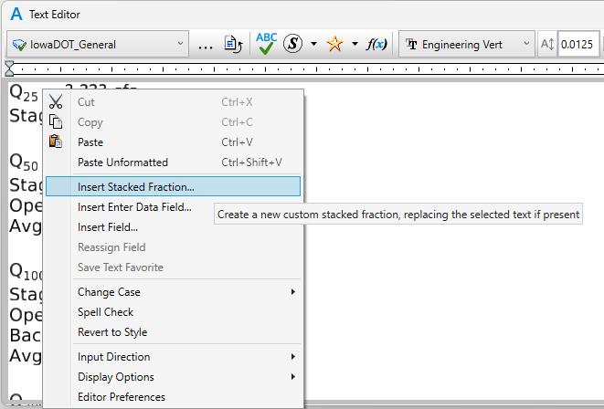 |  |  |  | 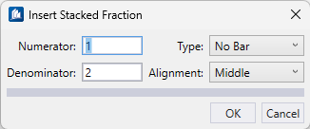
In the Numerator window hit the “space bar” to create an empty space (this is just a place holder, blank numerator).

In the Denominator window enter the required text/number for the subscript entry.

In the Type window select No Bar.

Select OK to complete the subscript creation.

For Superscript the entries of information in Numerator and Denominator are reversed.

The image shows the example of a flow rate value label for 100 years.

Detailing Information
 | Detailing Information
1) | Creating details to scale is important and should be standard practice, maintaining legibility. Legibility on the print should be considered when detailing. There may scenarios where detailing is not to scale.
2) | All text regarding dimensions, notes and labels is to be clearly visible on details. Text and dimensions should not be obstructed by linear elements.
 | Do not show lines through text. Use a filled shape with "TextBlockOut" Level to cover linear elements or break the lines so text is legible on the print for clarity.
3) | Text in small spaces may be compressed HORIZONTALLY, not vertically, and must be legible on the print.
4) | Use Bridge Bureau abbreviations as found in the "Abbreviations" Tab in this file as well as the “CADD Notes” section of the Bridge Bureau Design Manual.
5) | Named levels are to be used with their assigned ByLevel attributes (color, weight and line style). Line style and weight may be altered as needed to aid in the clarity of a detail.
6) | When there is no room to place arrowheads on the inside of a dimension, place arrowheads on the outside of dimension extension lines.
7) | When several small spaces are dimensioned together, use the dot, not a slash, to represent the double arrowhead of a dimension.
8) | There should be a space between the text and the dimension line. Do not place text on the dimension line, text should typically be centered in the dimension.
9) | If dual dimensions or other information is needed, then text should be above and below the dimension line.
10) | Do not use the letters “i”, “l” (L), “o” or “x” as Bar Mark labels.
11) | Commas will be shown for numbers 10,000 and greater. Numbers 9999 and less may be shown without the comma.
12) | Show “Expansion” and “Fixed” pier call outs on the Elevation View of the T.S.L. sheet (situation plan) and at least on the elevation view of the deck longitudinal cross section.
13) | When the location information requires multiple adjoining Township, Range and Sections to be listed, then use the format as shown below:
 |  | T-84/85 N R-22/21 W
 |  | Sections 36/31
 |  | Richland/Sherman Twp.
14) | When showing size of object or construction detail such as, 2"x4"x1” Keyway, always use a lower case “x”.
15) | Show Hidden lines on the same level as the object being detailed. Use Line Style=2 or 3 (style size selected should be appropriate for the detail drawn). Line weight=ByLevel or less for clarity.
16) | For Center line, use Line Style=4 or 7.
 |  | A shorter-spaced Center Line style may be ideal for the following details, use Line Style=7.
 |  |  | a. Centerline of bearings.
 |  |  | b. Abutment footings.
 |  |  | c. Centerline of beam lines.
 |  | A longer-spaced Center Line style may be ideal for the following details, use Line Style=4.
 |  |  | a. Centerline of pier, pier cap, pier column.
 |  |  | b. Centerline of abutment, abutment bearing.
 |  |  | c. Culvert centerline.
 |  |  | d. Centerline of bridge roadway.
17) | Show Break lines on the same level as what is being broken. "SheetText" level may be used as well with ByLevel settings for color, line style and weight=1.
18) | Extension lines should be "broken" when crossing Dimension lines and Text. Use a filled shape with "TextBlockOut" Level to cover linear elements. The "Priority" setting of a dimension may need increased or decreased to achieve a "broken" detail.
19) | Extension lines may cross Extension lines without being broken.
20) | An existing structure is EXISTING whether it is recently built or several years old.
21) | An existing structure should be detailed with visible components shown as solid lines and hidden components shown as a dashed hidden line (Line Style=2 or 3).
22) | Removed portions of existing structures should be shown on the "Removals" Level with dashed lines except for the concrete removal line defining the break line
 | between the existing and removed concrete. This removal (break) line should be a solid line style and preferably wavy or jagged to represent a cut line with a Line Weight=8 and still shown on the "Removals" Level.
23) | Future structures should be shown as dashed phantom Line Style=6, because the structure is not visible, it is proposed.
24) | The IowaDOT Dimension Styles have the Leading Zero checked “on” (as shown in the image below). These dimension style settings are used by all Bureaus in the DOT
 | and these settings were applied accordingly. When using Secondary Units, the Leading Zero may need to be checked "on" when applicable.
 | 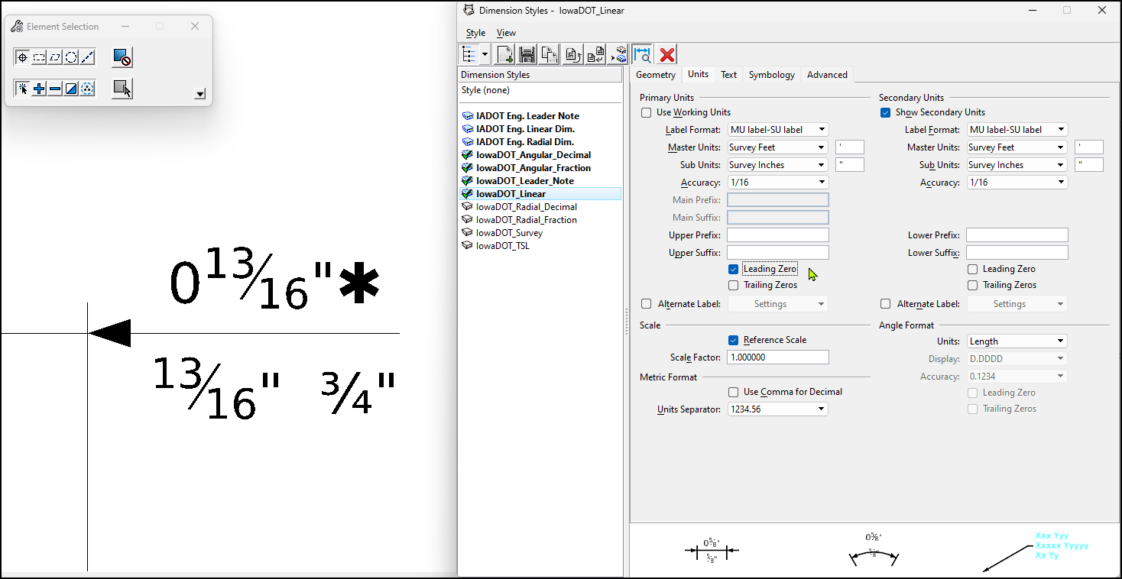

25) | The Secondary Units in dimension styles still do not allow a typed-in "auto" fraction or use of Stacked Fraction in the Text Editor. The only possible option is to use a “fraction special character-symbol”
 | (as shown ¾” in the image above), but these are limited in options and not recommended due to possible font formatting issues. If the stacked display of a fraction is desired, then an alternative for entering
 | a fraction, such as 15/16” (as shown in the image below), is probably to enter a separate "static" line of text below the dimension using the typed-in "auto" fraction or Stacked Fraction capability in the Text Editor.
 | Although, with the understanding of the fraction issue in the Secondary Units, it would be acceptable to keep as a dimension and display fractions "as is", not stacked, like what is shown below.

 | 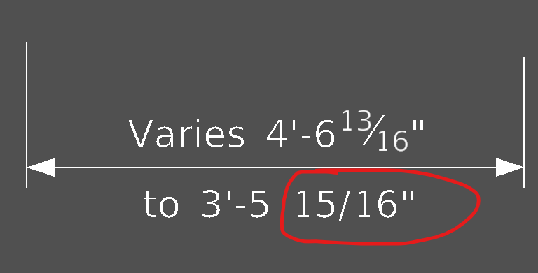

 | Detailing Examples
 | 1. When dimension is one foot or greater, place a hyphen between the foot and inch values.
 | a. Examples: 1'-0", 2'-3", or 1’-0½”

 | 2. When dimension is less than one foot, do not use the foot designation or hyphen in advance of the inch value.
 | a. Example: 6" not 0'-6"

 | 3. When dimension is less than one inch, the dimension styles are set up to show a Leading Zero in advance of the fraction.
 | a. Example: 0½"

 | 4. Spacing between girders or pile spacing is given in feet and inches.
 | a. Example: 4 Spaces @ 6'-0" = 24'-0"

 | 5. Elevations for structures are typically shown in decimal feet, without the foot symbol, rounded to the hundredths of a foot.
 | a. Examples: Top of Footing Elev. = 987.65

 | 6. Spacing of reinforcement is given as shown.
 | a. Example: 10 – 6a1 @ 8” (Qty 10, #6 bars named a1 spaced at 8 inches apart)
 | b. Example: 10 – 6a1 @ 1’-4” (Qty 10, #6 bars named a1 spaced at 16 inches apart)
 | c. Example: 10 Spa. @ 9” = 7'-6"; 11-6a1 Bars (Qty 11, #6 bars named a1 spaced at 9 inches apart)

 | 7. Length of reinforcement is given and separated by lower-case “x” when applicable.
 | a. Examples: 20 - 6a2 x 32’-10” @ 10" (Qty 20, #6 bars named a2, with 32’-10” lengths spaced at 10 inches apart)

 | 8. Length of reinforcement is given and separated by lower-case “x” when applicable.
 | a. Examples: 26 - 6a2 x 2’-10” to 44’-4” @ 1’-0” (Qty 26, #6 bars named a2, with varied lengths spaced at 1 foot apart)

 | 9. Angles for skews are typically given in Degrees, Minutes, Seconds. There may be an occasional need to display as decimal degree.
 | a. Examples: 9°05’09” would be dimensioned 9.09°

 | 10. Radius call outs shall be labeled R ?’-?” .
 | a.

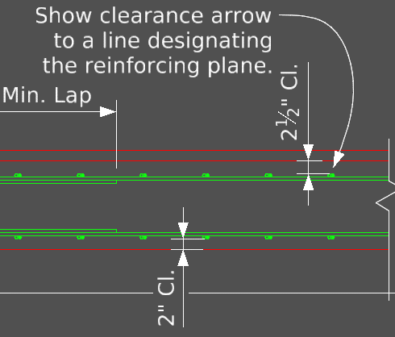
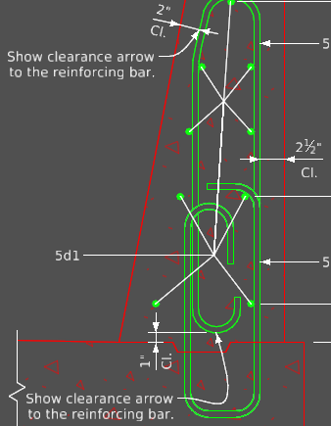
 | 11. The default clearance specified in the Standard Specifications is 2 inches, therefore it is not necessary to show all 2-inch clearance locations on the plans.
 | a.

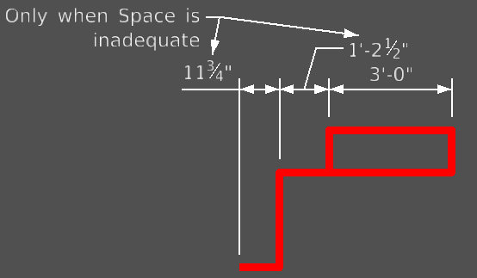
 | 12. Dimensions may be located off dimension line if space is inadequate.
 | a.

 | 13. To properly display size of pipe, there is to be no spaces between characters.
 | a. Example: 4"ⵁ

 | 14. Always use the inch " or foot ' mark and the diameter ⵁ symbol in plan details. Notes may require the word to be used in leu of the symbol.

Font Conversion
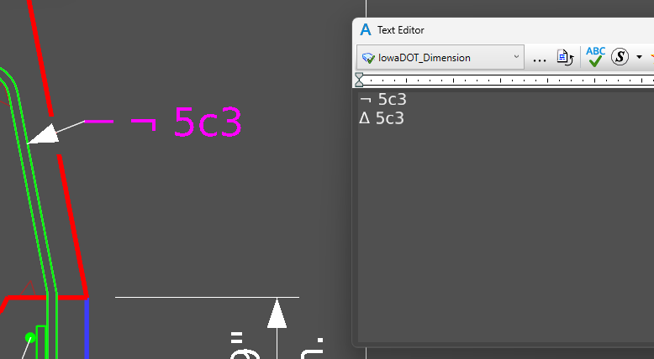
Conversion of 1st Generation Engineering Vert Font to 2nd Generation Engineering Vert Font

Overview Statement:
Some of the currently posted standards were completed using the Bentley Systems provided True Type, locally installed (C:\Windows\Fonts), “1st generation” Engineering Vert font which was not correctly
mapped according to international font character mapping. In February 2024, the Iowa DOT upgraded to the ProjectWise 10.12 environment, and with this, the improved “2nd generation” Engineering Vert font
(not locally installed) that is mapped correctly and updated/managed in the Iowa DOT ProjectWise workspace. The updated ProjectWise workspace is configured to not have the Engineering Vert Font styles locally installed.
Prior to the upgraded ProjectWise environment, Bridge Bureau plan sheet work was done using a combination of either OpenRoads Designer or ProStructures and this required the 1st generation Engineering Vert font
to be installed locally, C:\Windows\Fonts, to allow the special characters symbols to display. If this 1st generation font is installed locally, it will interfere and cause discrepancies with the proper display
of special characters in the upgraded Iowa DOT ProjectWise 10.12 environment. The standards using these older fonts will have to be manually corrected when used until all the standards get remapped to the updated 2nd generation font.
Some of the currently posted standards are using the fraction symbols created with the 1st Generation Engineering Vert Font. Since then, and because of the need to remap to the 2nd Generation Engineering Vert font,
it was discovered that the fraction symbols were not reacting properly and that is why the “Stacked Fraction” use in the Text Editor is being applied to the remapped versions of the posted standards that are in the process of updating.
To reiterate, for projects within the Iowa DOT ProjectWise, the current workspace is configured to not have the Engineering Font styles locally installed. The previously used 1st generation Engineering True Type Font files are out of date.
There were issues where some of the reserved font positions were customized to other characters which goes against the international font registry. One additional known issue with the previous version, was the lowercase letters
used in the following combination, “ff”, “fi” and “fl” would become invisible. This appeared to occur in the non-Civil MicroStation platforms such as ProStructures. With the upgrade to 10.12 ProjectWise workspace,
the updated font styles appear more bold and the fonts are intended be controlled by the ProjectWise database.

Regarding updating/remapping existing text characters such as Center Line, at this time there is no “global” tool to update a whole file. Use the “Find/Replace Text” tool. Then select existing text to edit with
“Text Editor” to copy the older previous format text ¡ and placed that in the Find location. Then place the new “Center Line” symbol in the “Text Editor” and copied that into the Replace location (this character appears odd,
see image below). This appeared to make the corrections in this case, it will have to be done in each model. There are other characters such as the delta symbol Δ that will have to be updated as well.

It appears that special characters are not allowed to be used in the Secondary Units of dimensions.

The two examples below are showing the Center Line symbols from 1st Gen. The upper rows are showing the "broken" 1st Gen. Font. The lower rows are showing the updated corrections using the 2nd Gen. Font.

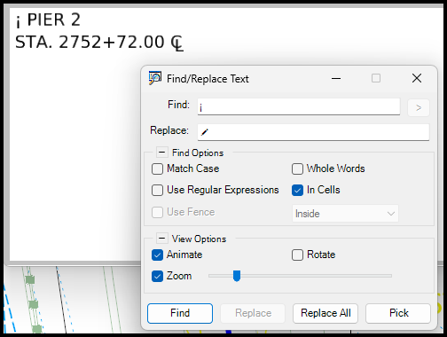
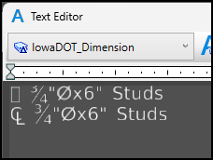

The example below is showing the fraction symbols from 1st Gen. Font to corrected "keyed in" fraction for 2nd Gen. Font. The upper rows are showing the "broken" 1st Gen. Font. The lower rows are showing the updated corrections using the 2nd Gen. Font.

The example below is showing the fraction symbols from 1st Gen. Font to corrected "keyed in" fraction for 2nd Gen. Font. The upper row is showing the "broken" 1st Gen. Font. The lower row is showing the updated corrections using the 2nd Gen. Font.
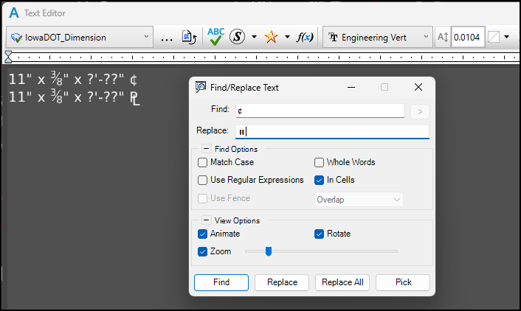

The example below is showing the fraction symbols from 1st Gen. Font to corrected "keyed in" fraction for 2nd Gen. Font. The upper row is showing the "broken" 1st Gen. Font. The lower row is showing the updated corrections using the 2nd Gen. Font.

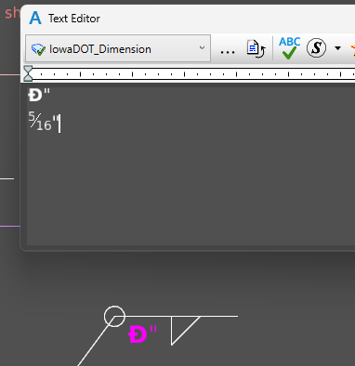

The example below is showing the Delta symbol from 1st Gen. The upper row is showing the "broken" 1st Gen. Font. The lower row is showing the updated corrections using the 2nd Gen. Font.

Tables
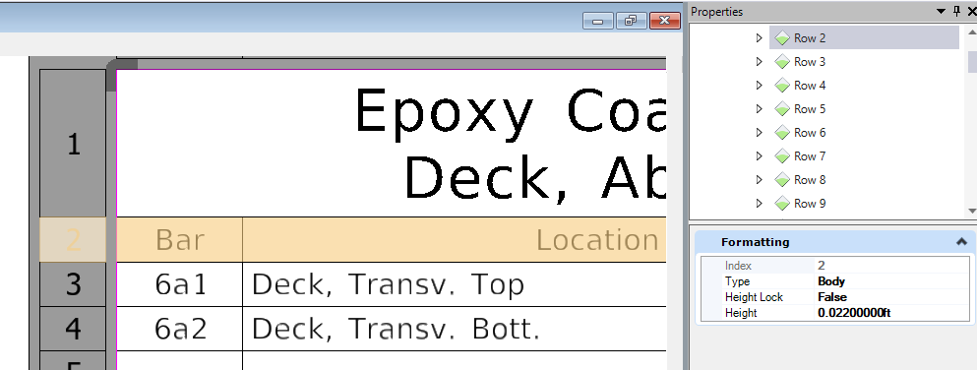
Use of "Table Tools" to set Text Alignment Settings in the Ribbon

Table Settings |  | Assign proper "Types" to the table Rows, this will help with applying Text Styles to text within those rows.
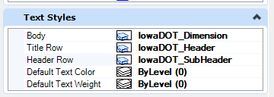
Title Row | Use IowaDOT_Header text style
Header Row | Text Style may vary depending on Table usage. Typically use IowaDOT_General or IowaDOT_Dimension text style (although IowaDOT_SubHeader is an acceptable option).
Body Rows | Use IowaDOT_Dimension text style

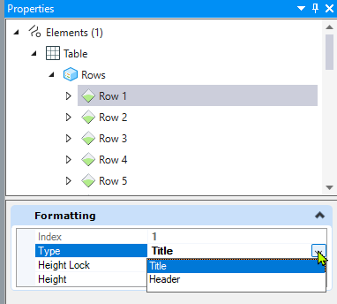 | 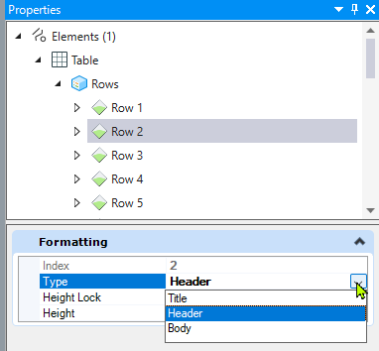

Things to consider when placing a "Table" element in CADD using the Place Table tool.
If a "Table" element is part of a CADD cell, then after placing the cell, apply "Drop Element" one time and the table will come back into use.
Table elements are typically placed on the Sheet Text Level.
Table element Body horizontal lines thickness is set at 1.
Table element Borders, vertical lines and header perimeters thickness it typically set at 5 or 8.

Typical Bar Chart Settings using Place Table elements - Recommend to set Row Height Lock on (True) for Table Row Height to prevent inadvertent adjustments.
If the Row Height Lock is not set, then the table will automatically select the row height based on the text height.
Fractions will cause the automatic adjustment of the Row Height to increase more compared to rows with no fractions.

Header Rows - use "IowaDOT_Header" Text Style
Header Row Height may vary due to single or multiple lines of text.
Header Rows - For consistency in Tables (specifically standards sheets) it is ideal to set Row Height setting in ANSI D size Sheet Model scale set at Full Size (1=1),
Row Height = 0.044 Ft, in some cases set to 0.039 Ft.
Header Row text is typically justified at Center Middle.

Body Rows - use "IowaDOT_Dimension" Text Style
Body Row Height setting in ANSI D size Sheet Model scale set at Full Size (1=1). For consistency in Tables (specifically standards sheets) it is ideal to set Row Height = 0.022 Ft.
Lines with Fractions may require a Row Height = 0.026 Ft.
Body Row Height setting on an Index of Sheets, Bid Items and Estimated Quantities tables, it is ideal to set the row height at 0.026 Ft.
Body Row text is justified at typically Left Middle, Center Middle or Right Middle depending on column location.

Sheet Index
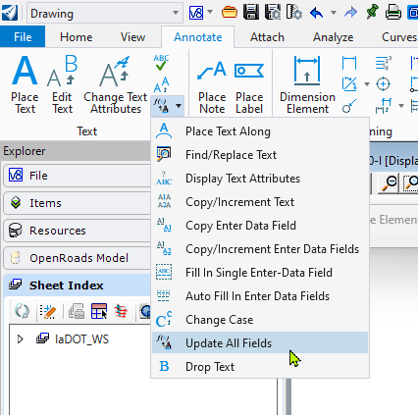
TEXT FIELD UPDATING
When developing Standard Worksheets\Signed Standards, DO NOT have them added to a Sheet Index.
This will enable them to be added to a Project Specific Sheet Index when used in plan development.
To update all the text fields in a file, not just a sheet model, use the key-in "field update all file".

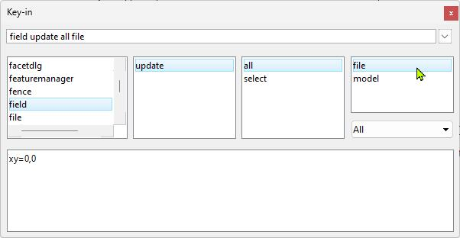

The "Update All Fields" appears to only update the fields in the active sheet model.

Capitalization
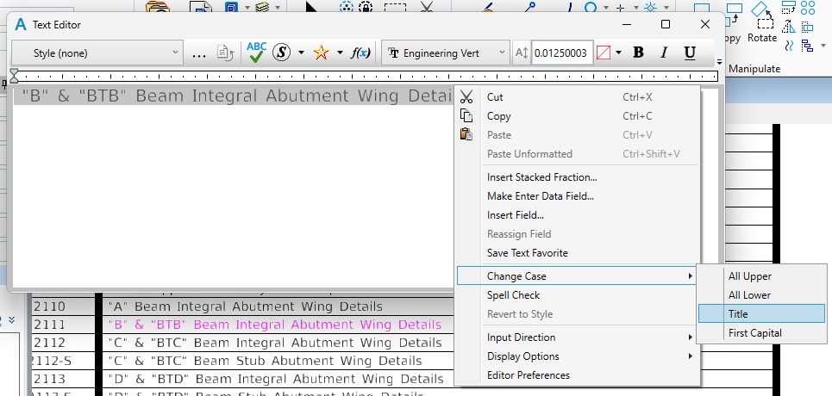
Words to Capitalize if used as a proper noun.
Engineer
Contractor
Standard Specifications
Article

Major words: Nouns, verbs (including linking verbs), adjectives, adverbs, pronouns, and all words of four letters or more are considered major words.
Minor words: Short (i.e., three letters or fewer) conjunctions, short prepositions, and all articles are considered minor words.

In sentence case, most major and minor words are lowercase (proper nouns are an exception in that they are always capitalized).
Use Sentence case for all notes.

In Title Case, major words are capitalized, and most minor words are lowercase.

Use Title Case for all Headers, Subheaders and Call-Outs.
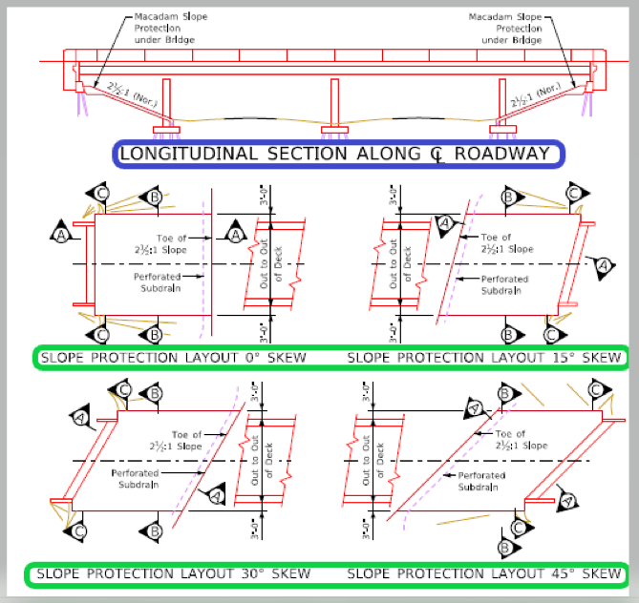

Use Header Text Style with Title Case Text Format.
EXAMPLE ON THE LEFT IS SHOWN INCORRECTLY.
SEE "Example Title Case Text Format Shown Below".

Use Subheader Text Style with Title Case Text Format.
EXAMPLE ON THE LEFT IS SHOWN INCORRECTLY.
SEE "Example Title Case Text Format Shown Below".

Example of Title Case Text Format is Shown Below.

